Rechazos
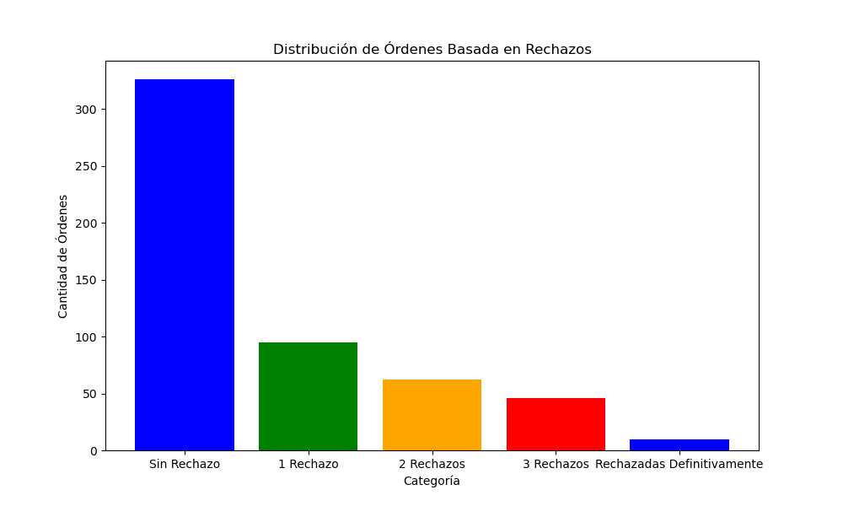
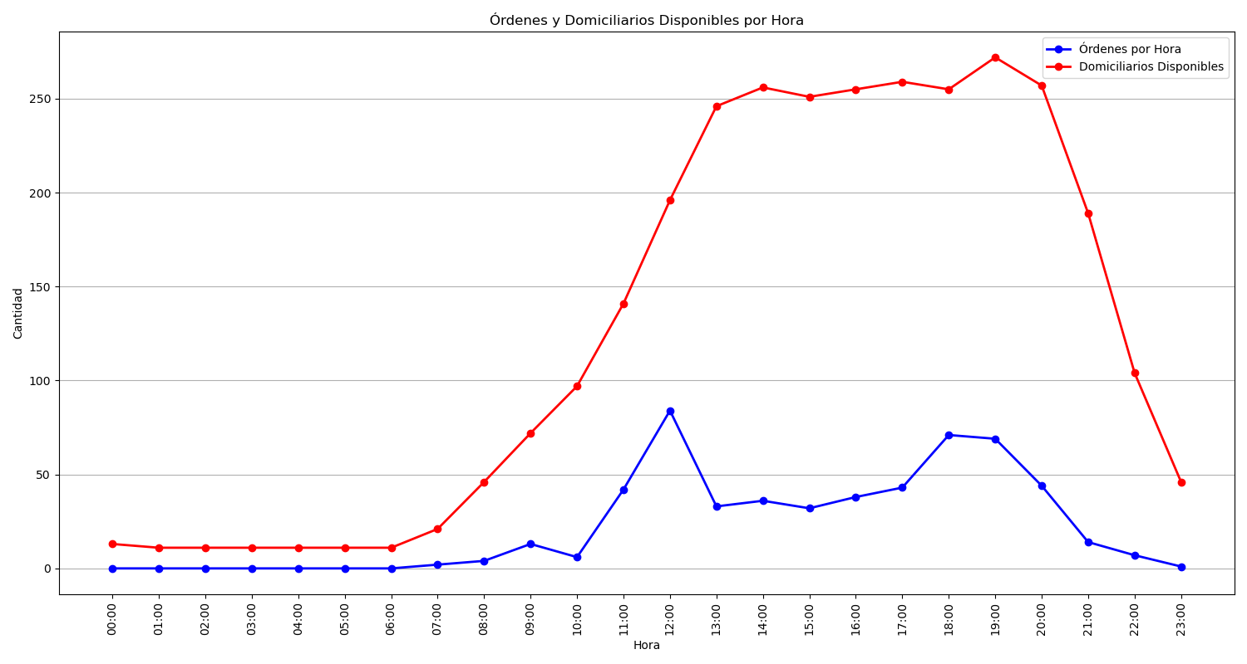
Categoría | Cantidad de Órdenes
Sin Rechazo | 326
1 Rechazo | 95
2 Rechazos | 62
3 Rechazos | 46
Rechazadas Definitivamente | 10

