Rechazos
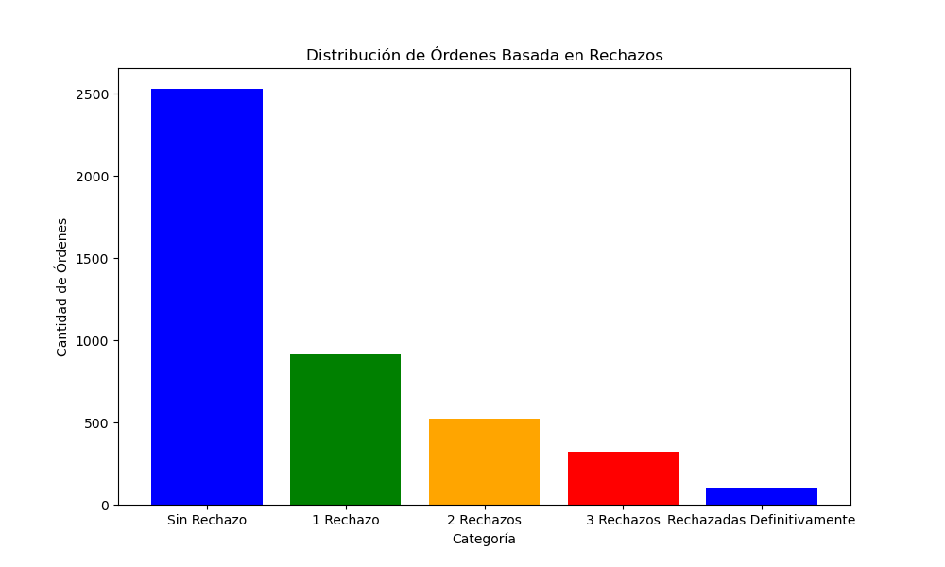
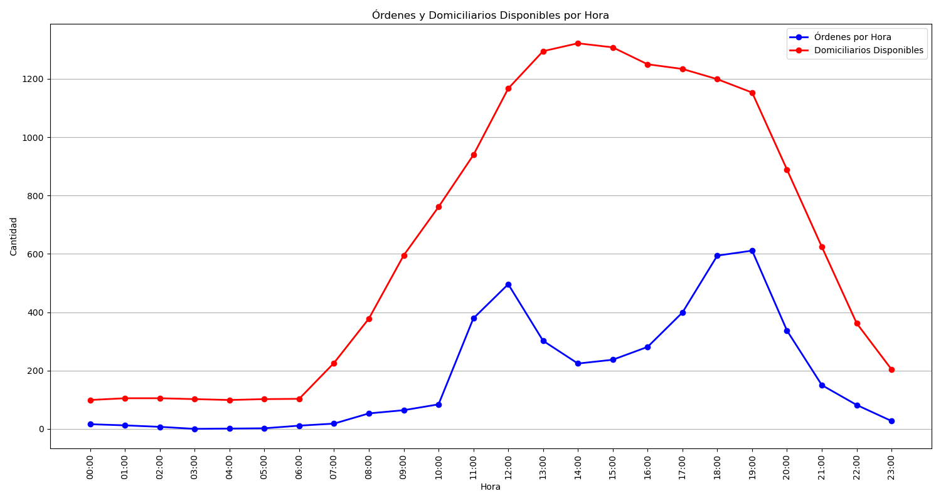
Categoría | Cantidad de Órdenes
Sin Rechazo | 2531
1 Rechazo | 913
2 Rechazos | 521
3 Rechazos | 320
Rechazadas Definitivamente | 102

