Rechazos
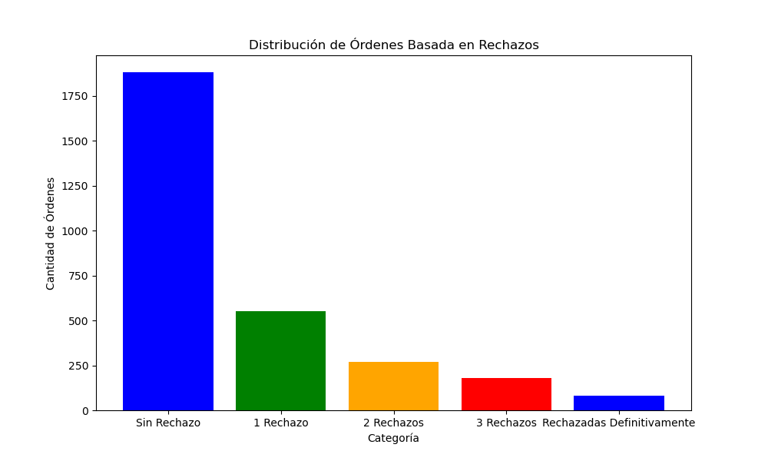
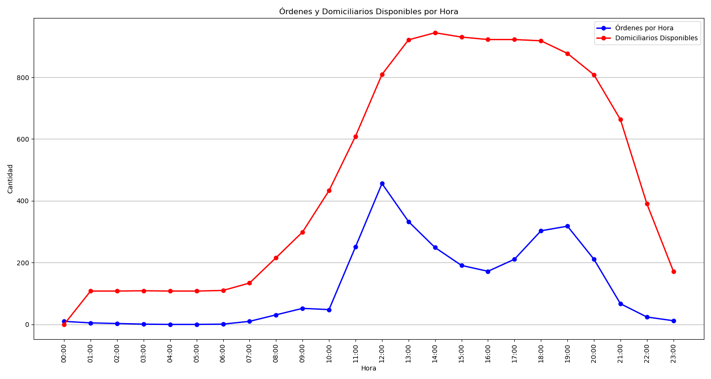
Categoría | Cantidad de Órdenes
Sin Rechazo | 1882
1 Rechazo | 550
2 Rechazos | 269
3 Rechazos | 178
Rechazadas Definitivamente | 80

