Rechazos
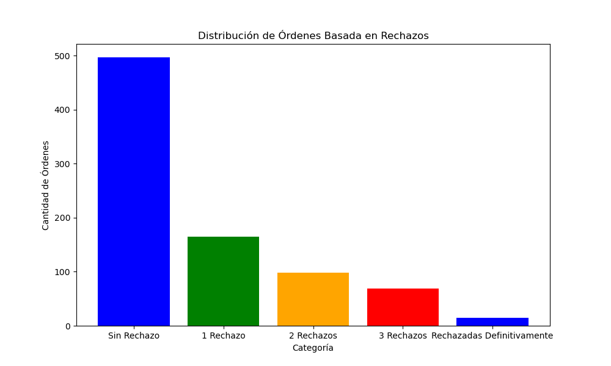
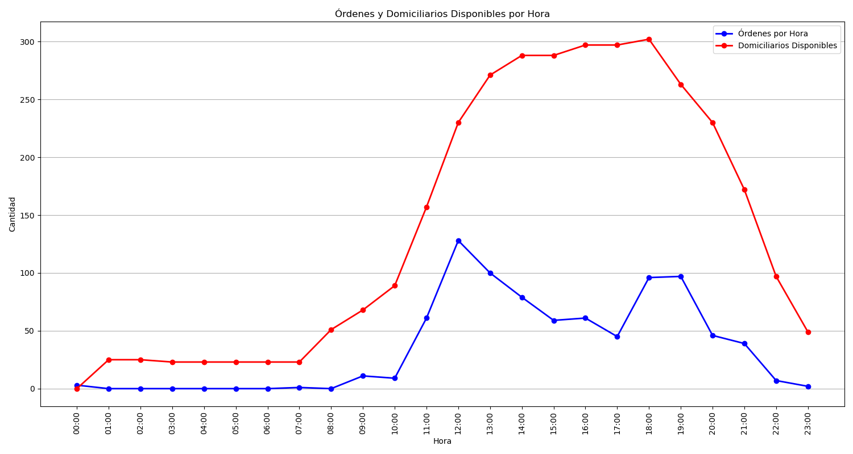
Categoría | Cantidad de Órdenes
Sin Rechazo | 497
1 Rechazo | 165
2 Rechazos | 98
3 Rechazos | 69
Rechazadas Definitivamente | 15

