Rechazos
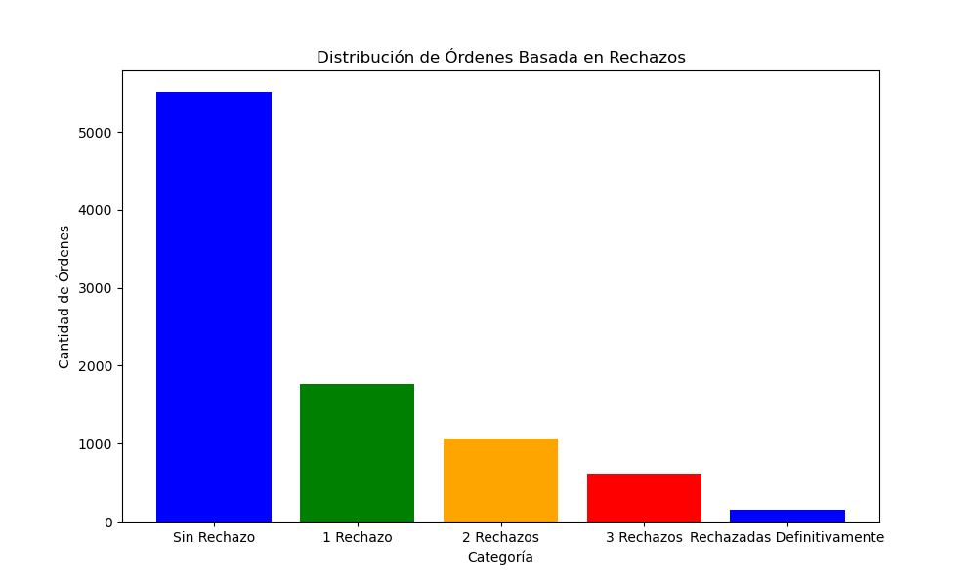
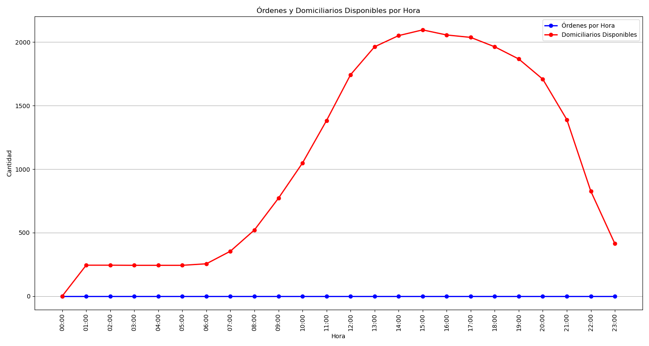
Categoría | Cantidad de Órdenes
Sin Rechazo | 5517
1 Rechazo | 1766
2 Rechazos | 1063
3 Rechazos | 619
Rechazadas Definitivamente | 150

