Rechazos
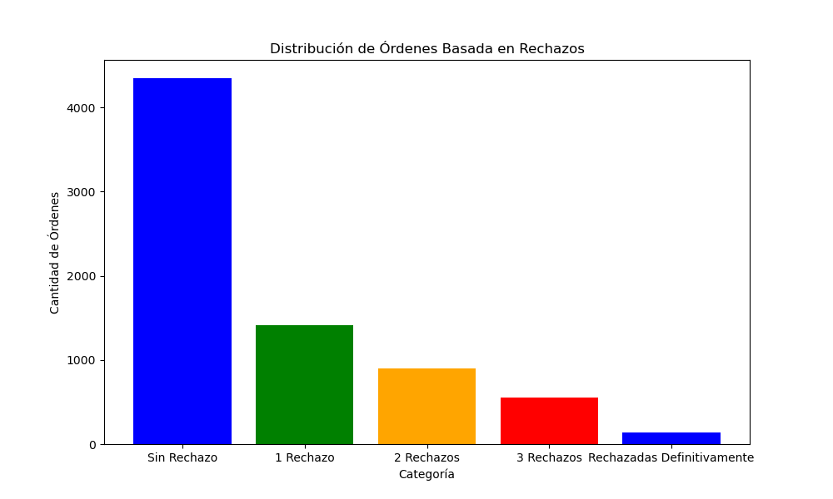
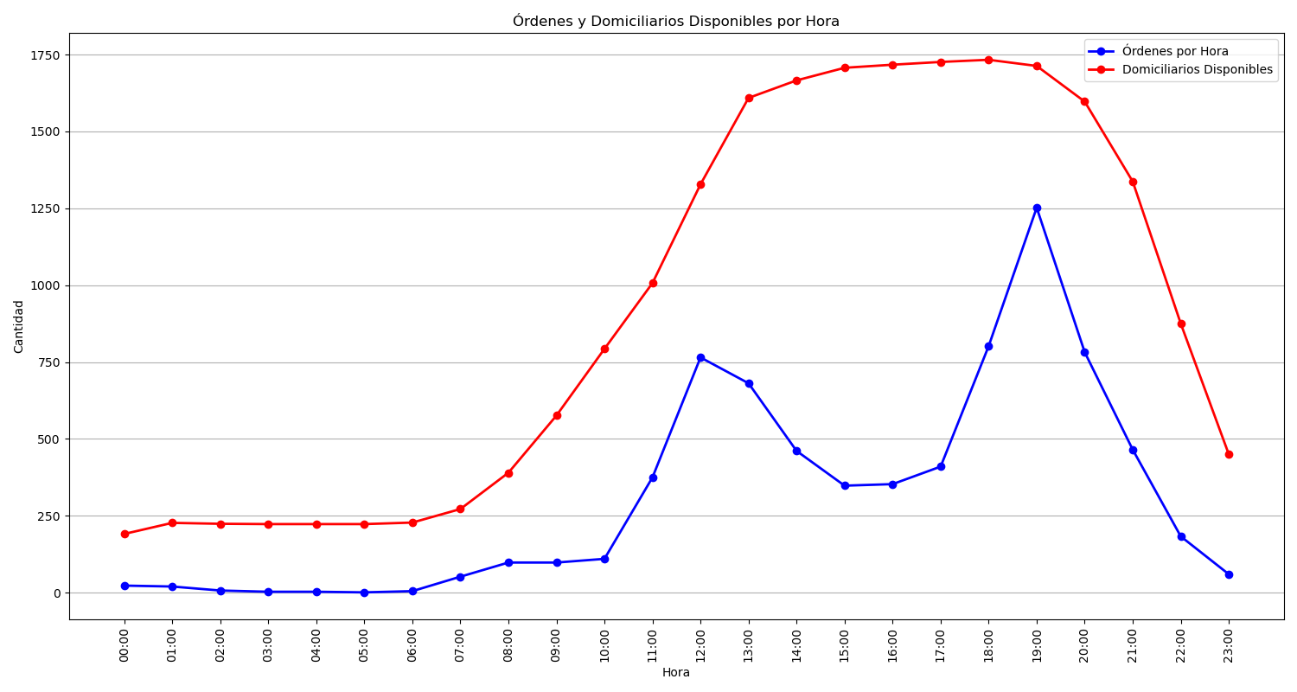
Categoría | Cantidad de Órdenes
Sin Rechazo | 4348
1 Rechazo | 1412
2 Rechazos | 904
3 Rechazos | 550
Rechazadas Definitivamente | 143

