Rechazos
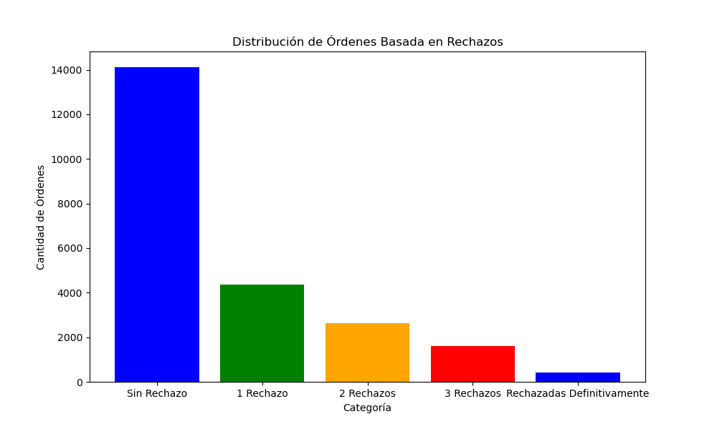
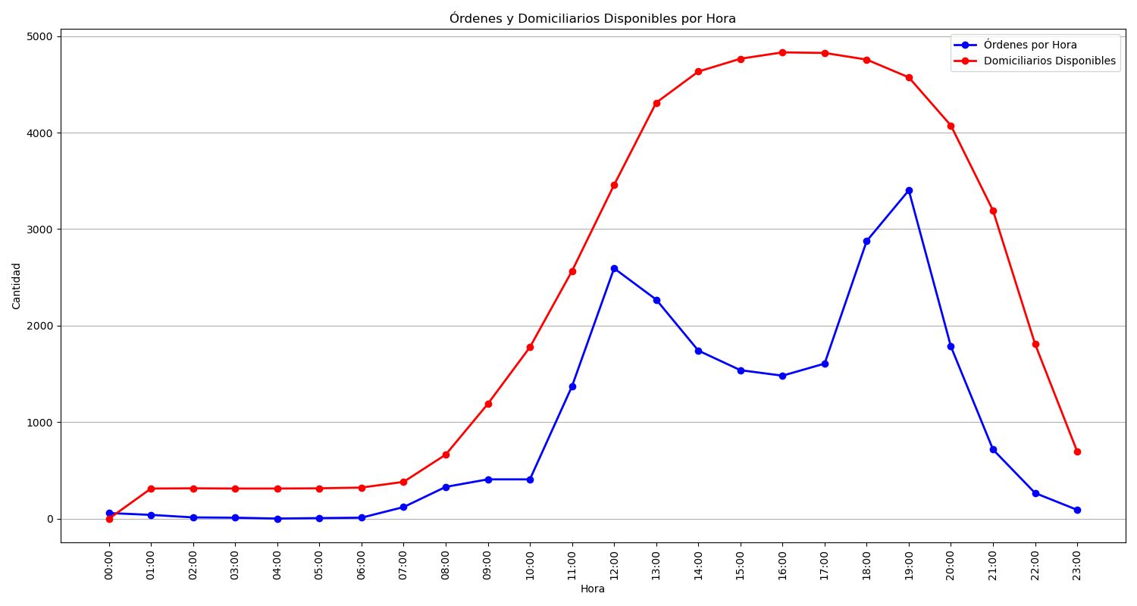
Categoría | Cantidad de Órdenes
Sin Rechazo | 14116
1 Rechazo | 4376
2 Rechazos | 2642
3 Rechazos | 1590
Rechazadas Definitivamente | 431

