Rechazos
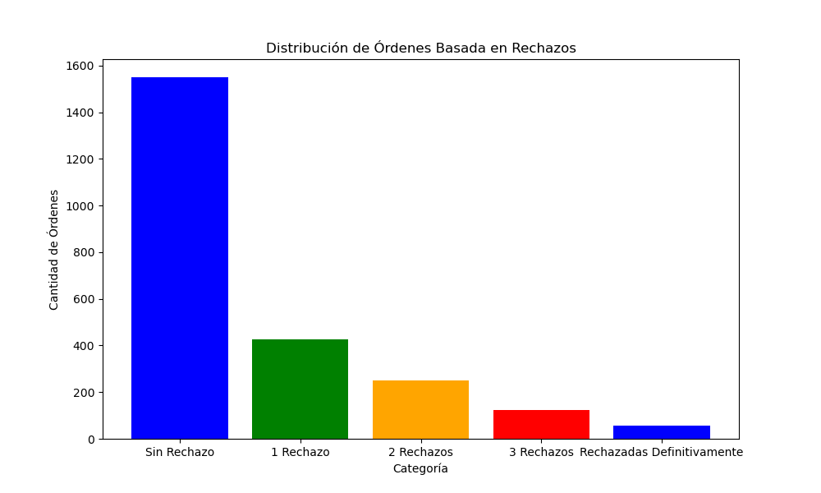
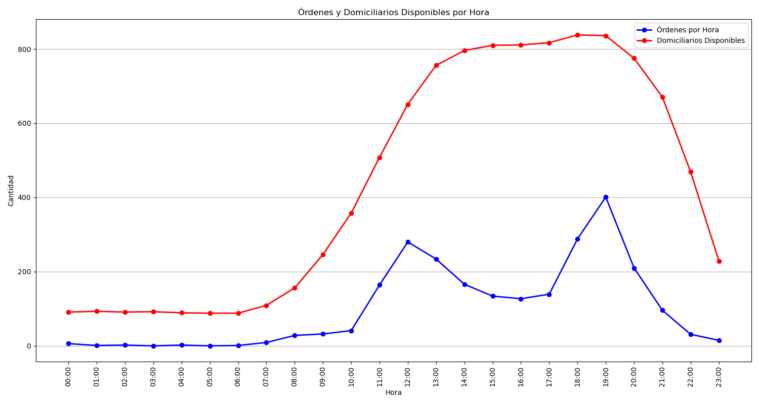
Categoría | Cantidad de Órdenes
Sin Rechazo | 1550
1 Rechazo | 427
2 Rechazos | 251
3 Rechazos | 123
Rechazadas Definitivamente | 56

