Rechazos
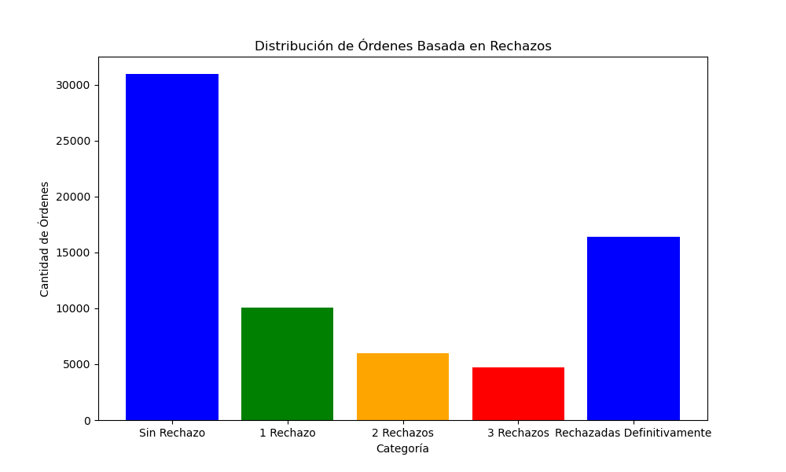
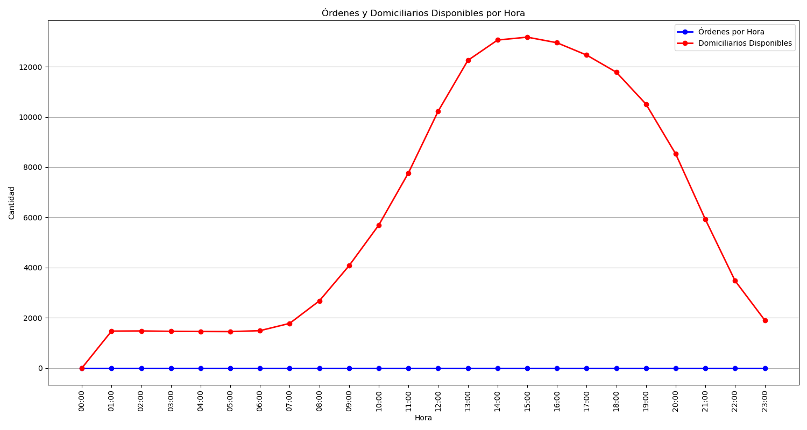
Categoría | Cantidad de Órdenes
Sin Rechazo | 30969
1 Rechazo | 10035
2 Rechazos | 5977
3 Rechazos | 4739
Rechazadas Definitivamente | 16411

