Rechazos
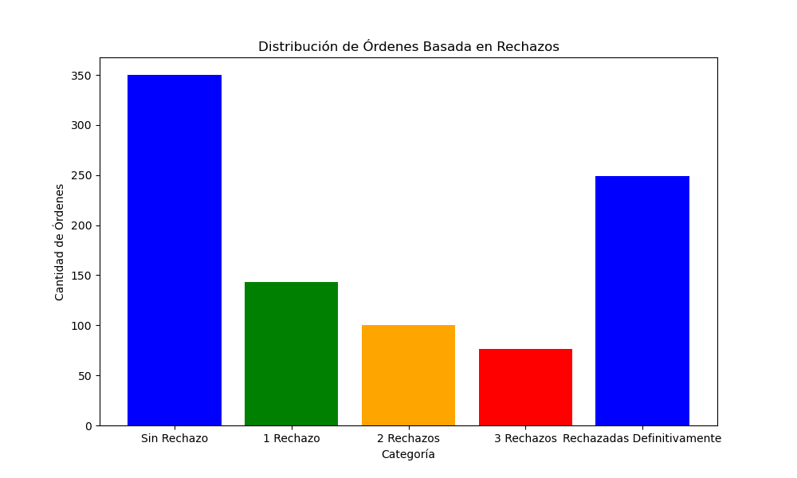
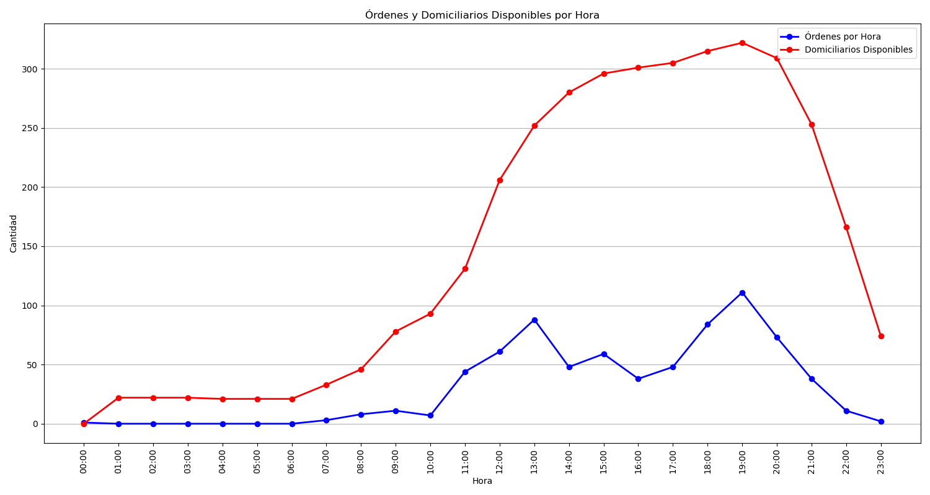
Categoría | Cantidad de Órdenes
Sin Rechazo | 350
1 Rechazo | 143
2 Rechazos | 100
3 Rechazos | 76
Rechazadas Definitivamente | 249

