Rechazos
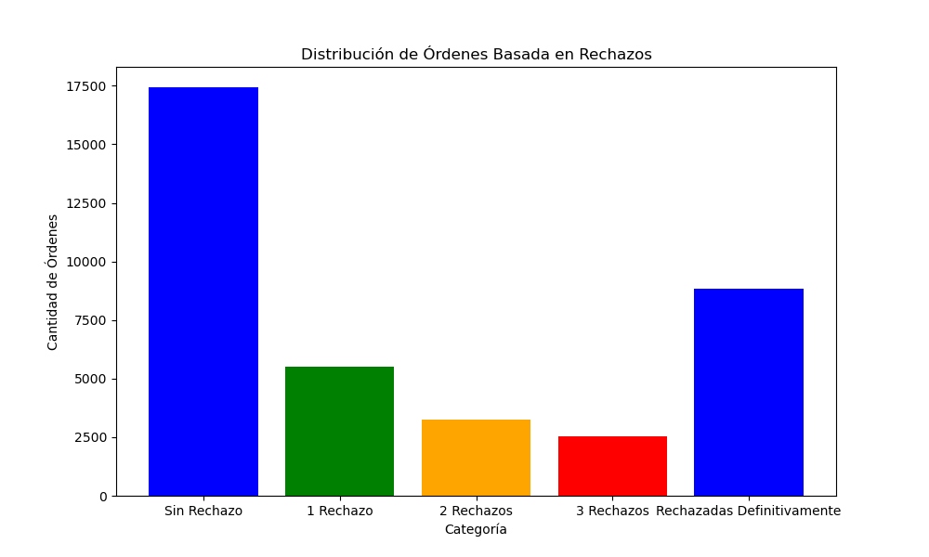
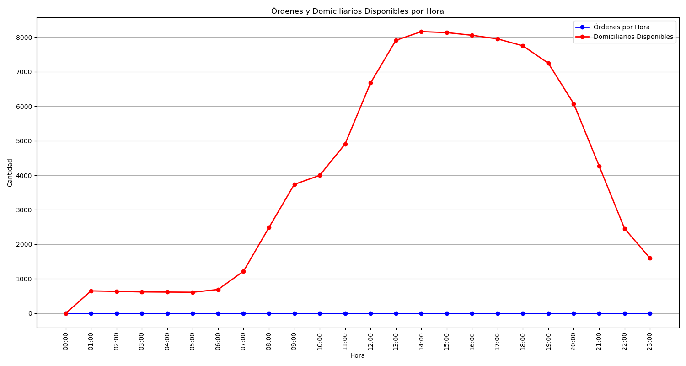
Categoría | Cantidad de Órdenes
Sin Rechazo | 17433
1 Rechazo | 5508
2 Rechazos | 3258
3 Rechazos | 2517
Rechazadas Definitivamente | 8816

