Rechazos
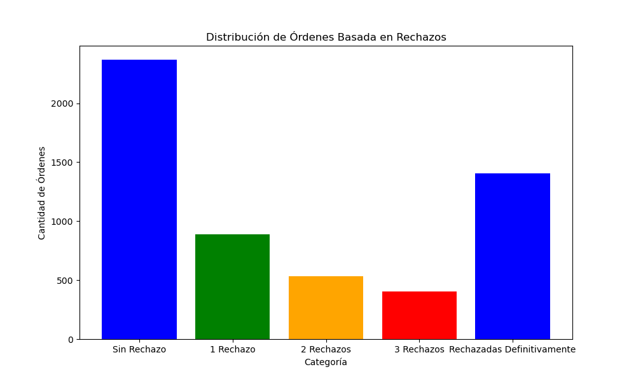
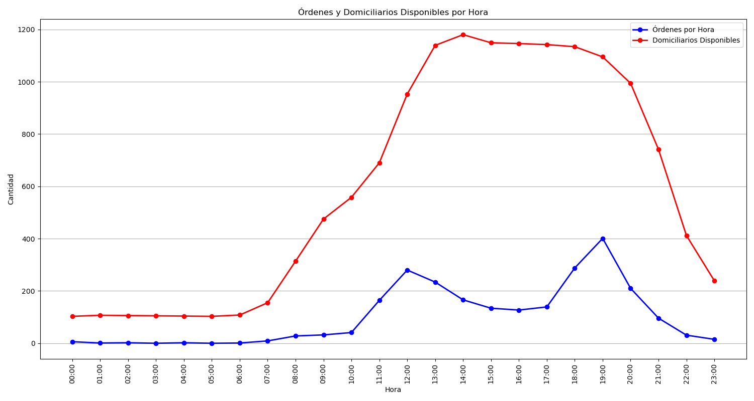
Categoría | Cantidad de Órdenes
Sin Rechazo | 2369
1 Rechazo | 891
2 Rechazos | 532
3 Rechazos | 403
Rechazadas Definitivamente | 1403

