Rechazos
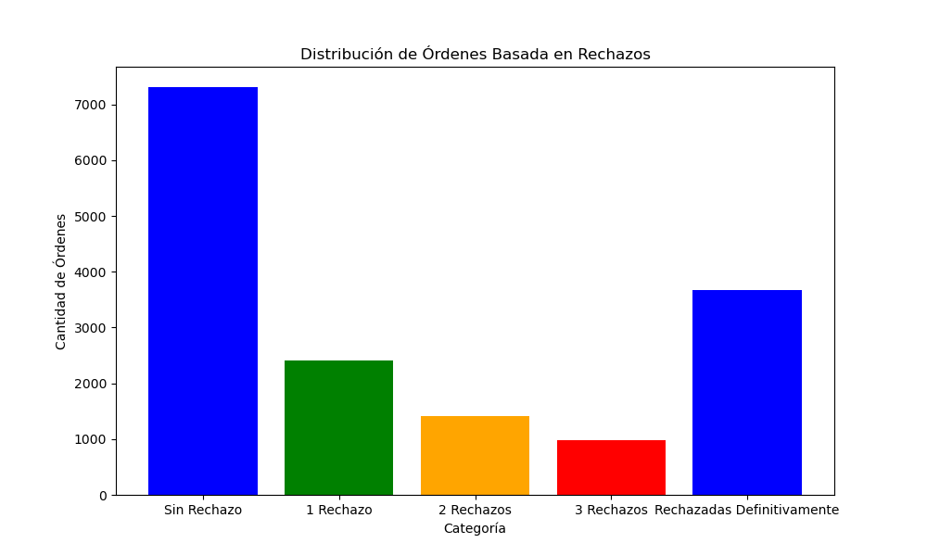
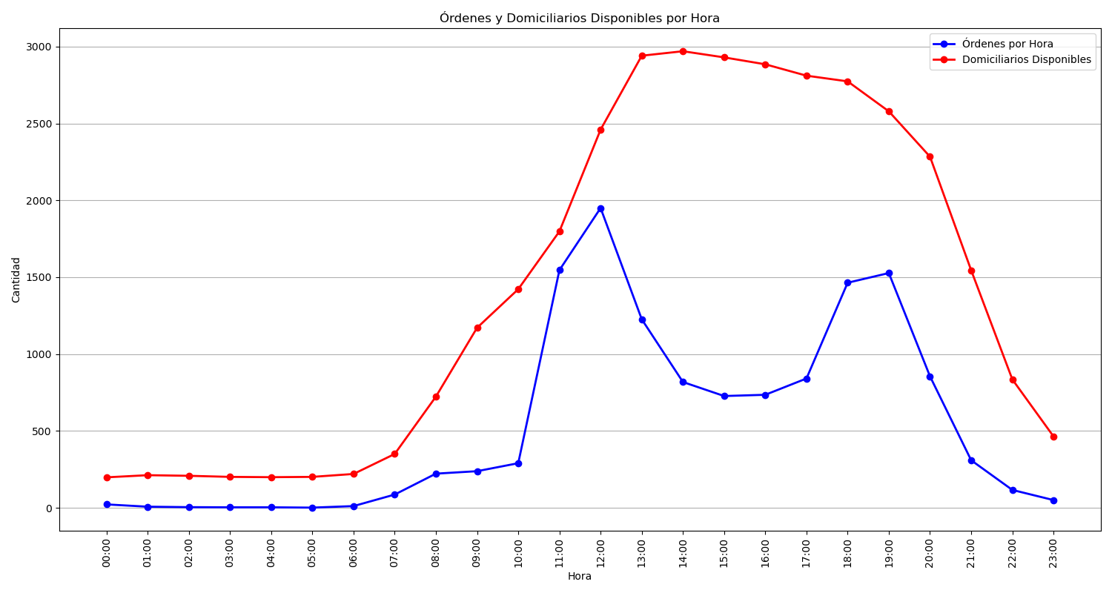
Categoría | Cantidad de Órdenes
Sin Rechazo | 7311
1 Rechazo | 2412
2 Rechazos | 1413
3 Rechazos | 977
Rechazadas Definitivamente | 3673

