Rechazos
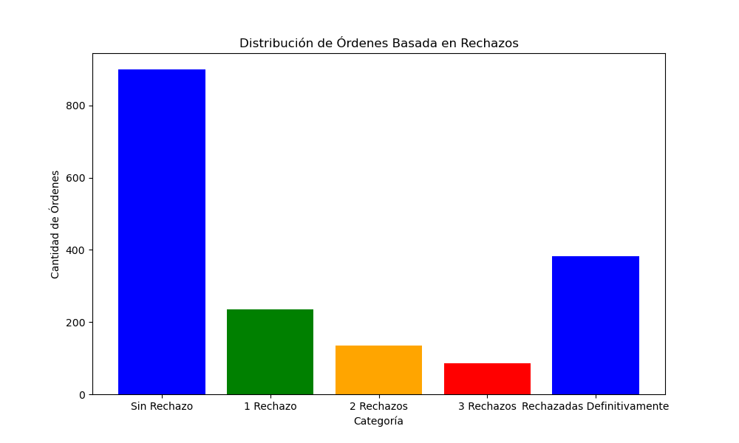
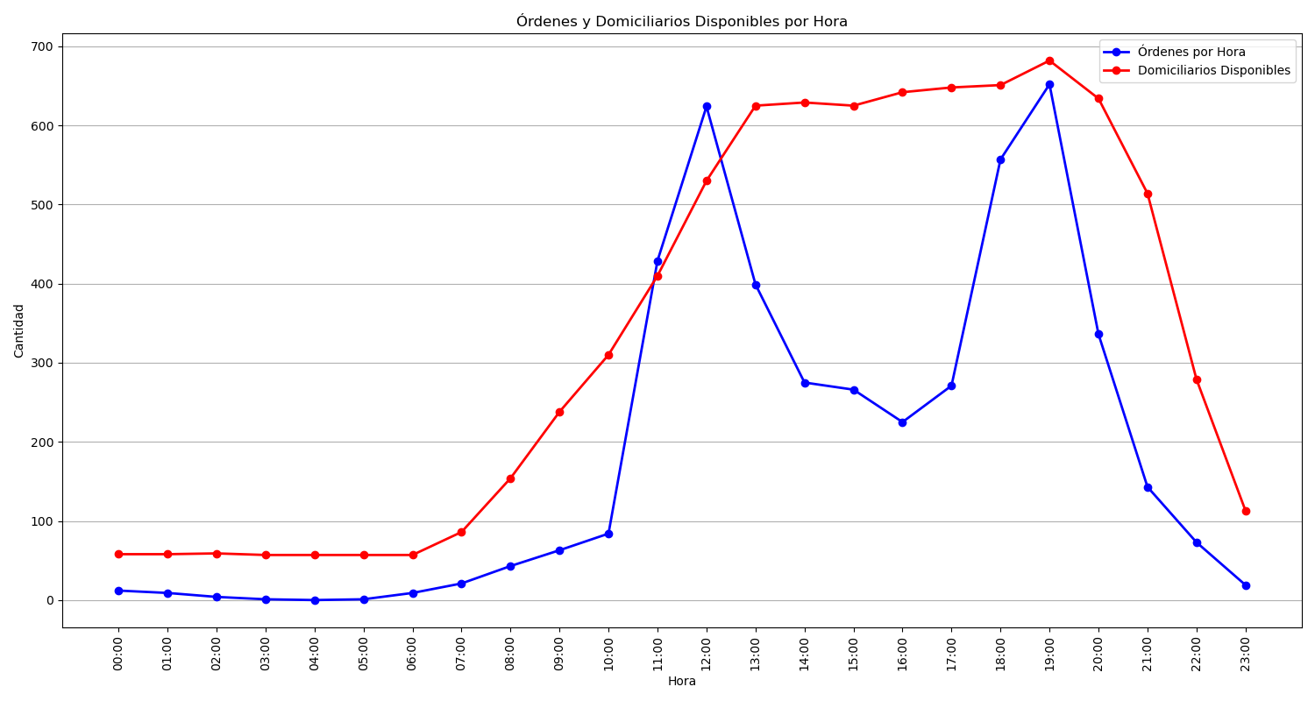
Categoría | Cantidad de Órdenes
Sin Rechazo | 900
1 Rechazo | 236
2 Rechazos | 134
3 Rechazos | 86
Rechazadas Definitivamente | 382

