Rechazos
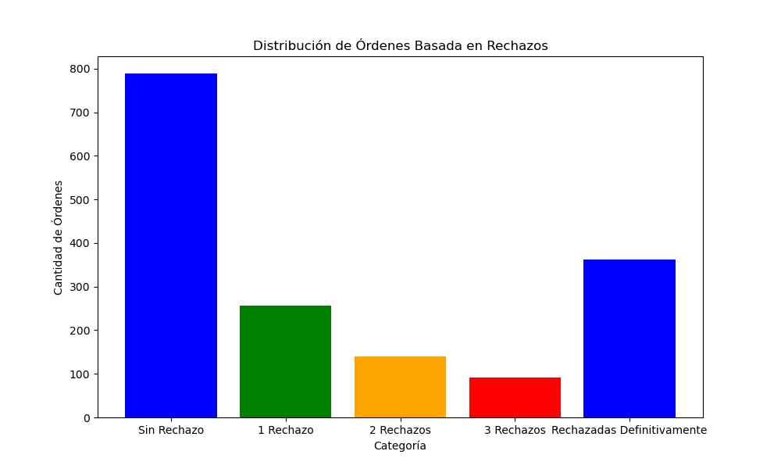
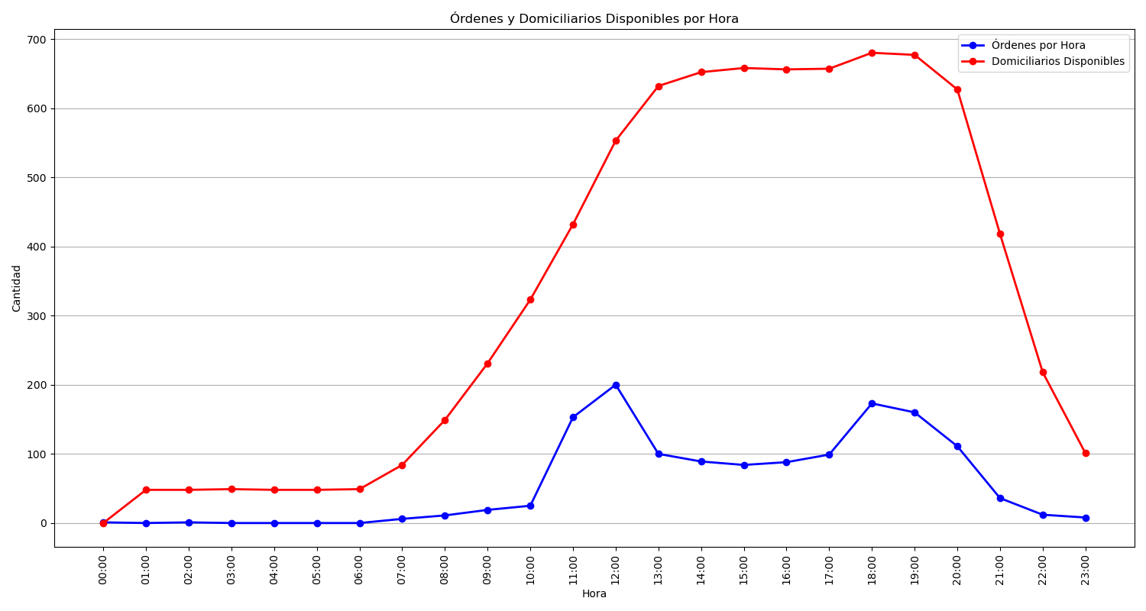
Categoría | Cantidad de Órdenes
Sin Rechazo | 789
1 Rechazo | 256
2 Rechazos | 140
3 Rechazos | 91
Rechazadas Definitivamente | 363

