Rechazos
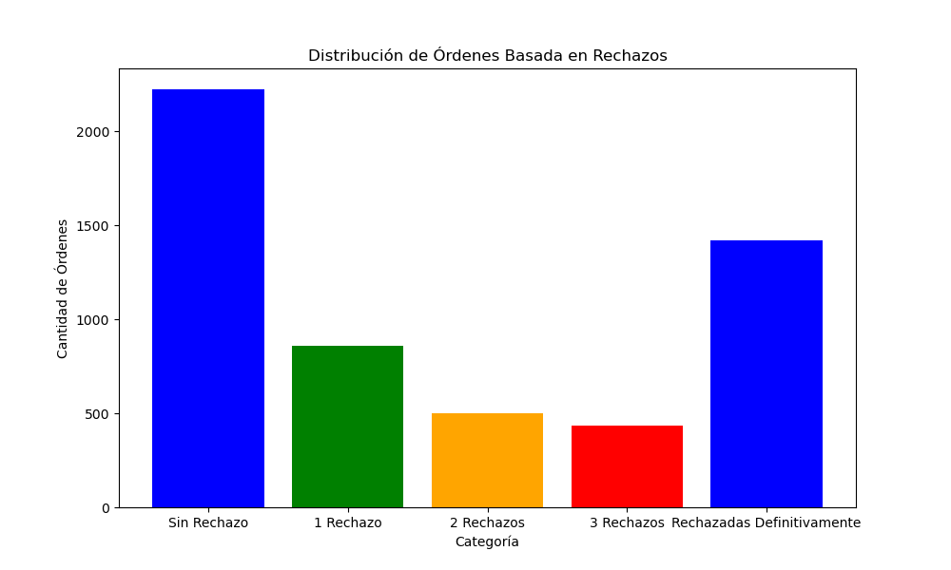
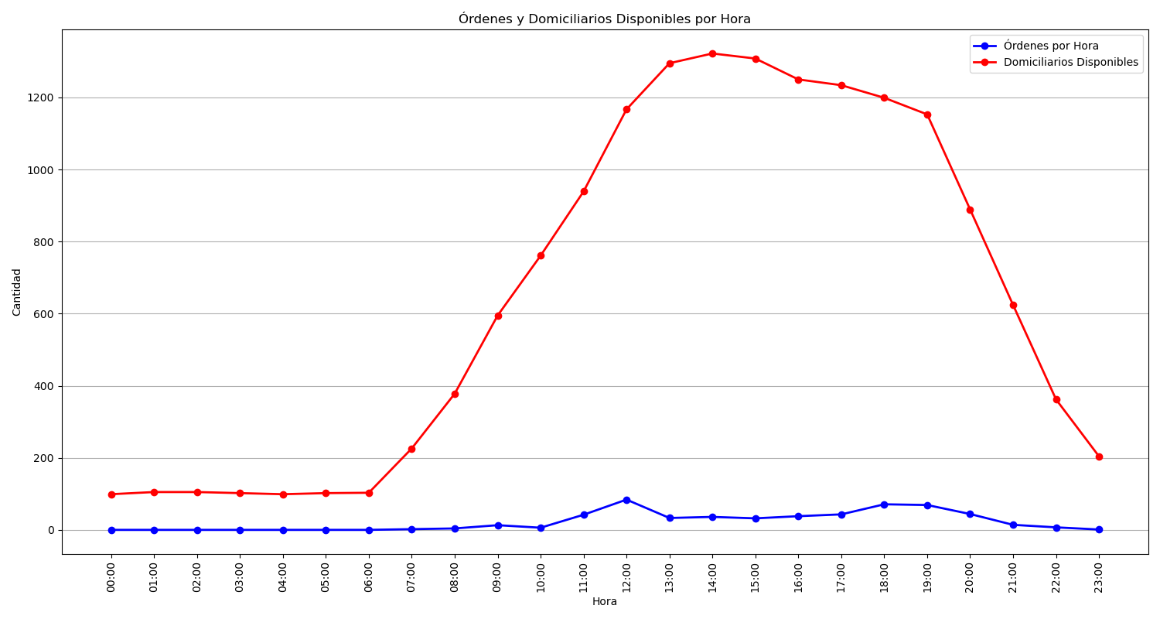
Categoría | Cantidad de Órdenes
Sin Rechazo | 2224
1 Rechazo | 860
2 Rechazos | 501
3 Rechazos | 435
Rechazadas Definitivamente | 1420

