Rechazos
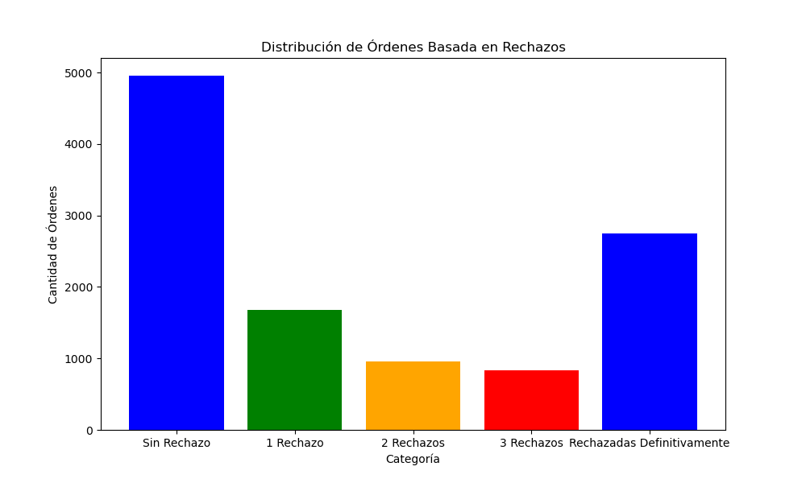
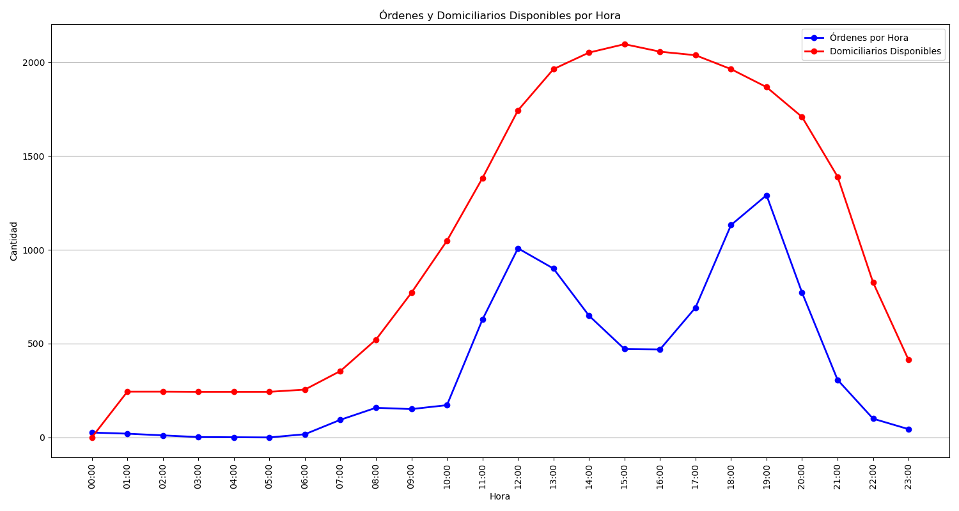
Categoría | Cantidad de Órdenes
Sin Rechazo | 4957
1 Rechazo | 1677
2 Rechazos | 961
3 Rechazos | 832
Rechazadas Definitivamente | 2747

