Rechazos
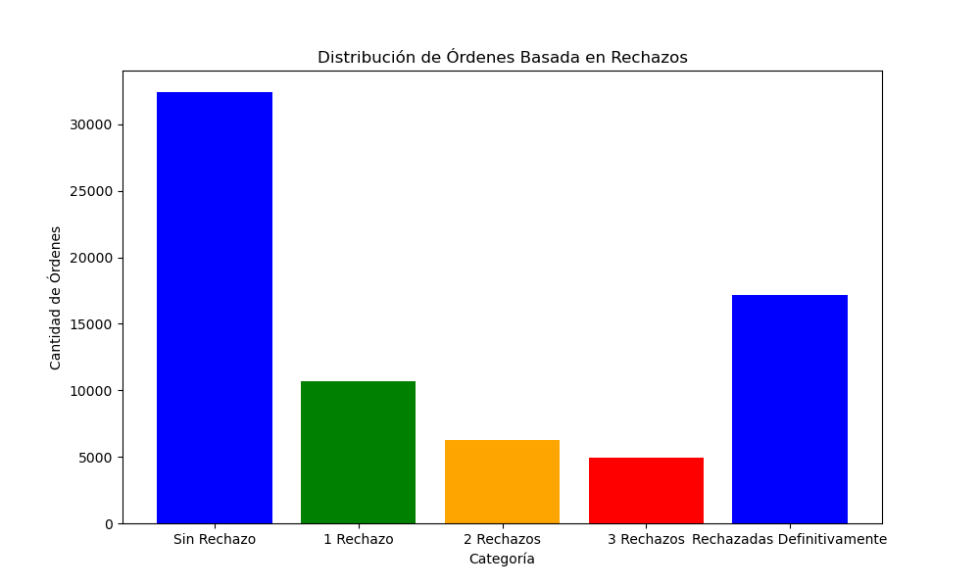
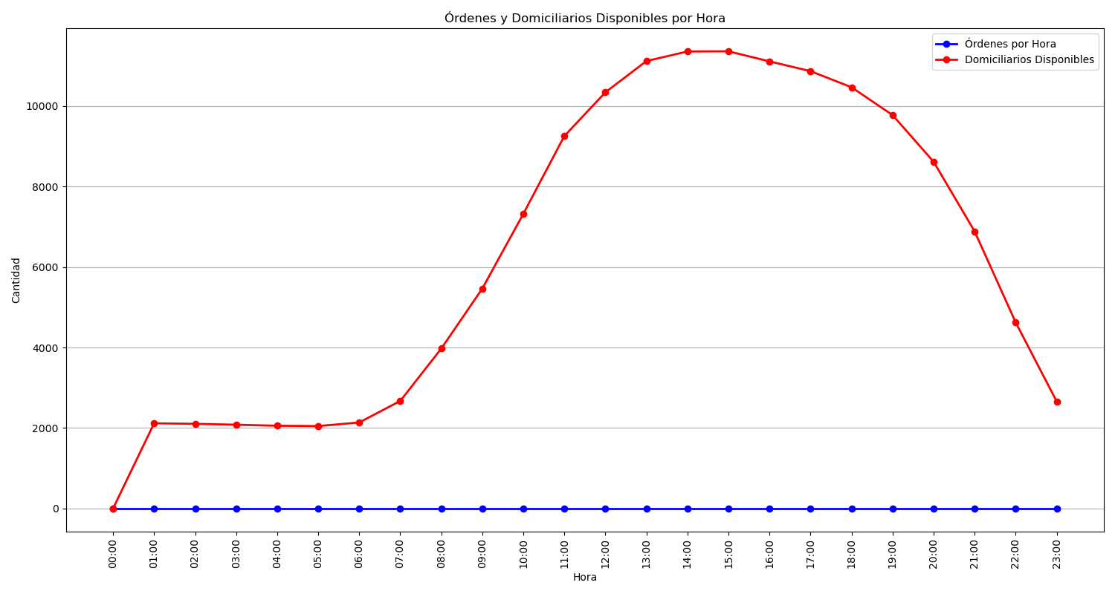
Categoría | Cantidad de Órdenes
Sin Rechazo | 32432
1 Rechazo | 10663
2 Rechazos | 6282
3 Rechazos | 4970
Rechazadas Definitivamente | 17187

