Rechazos
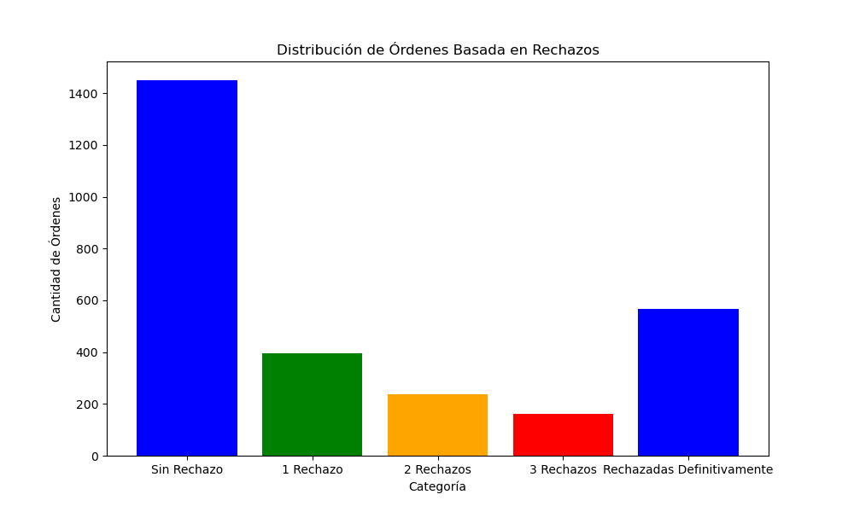
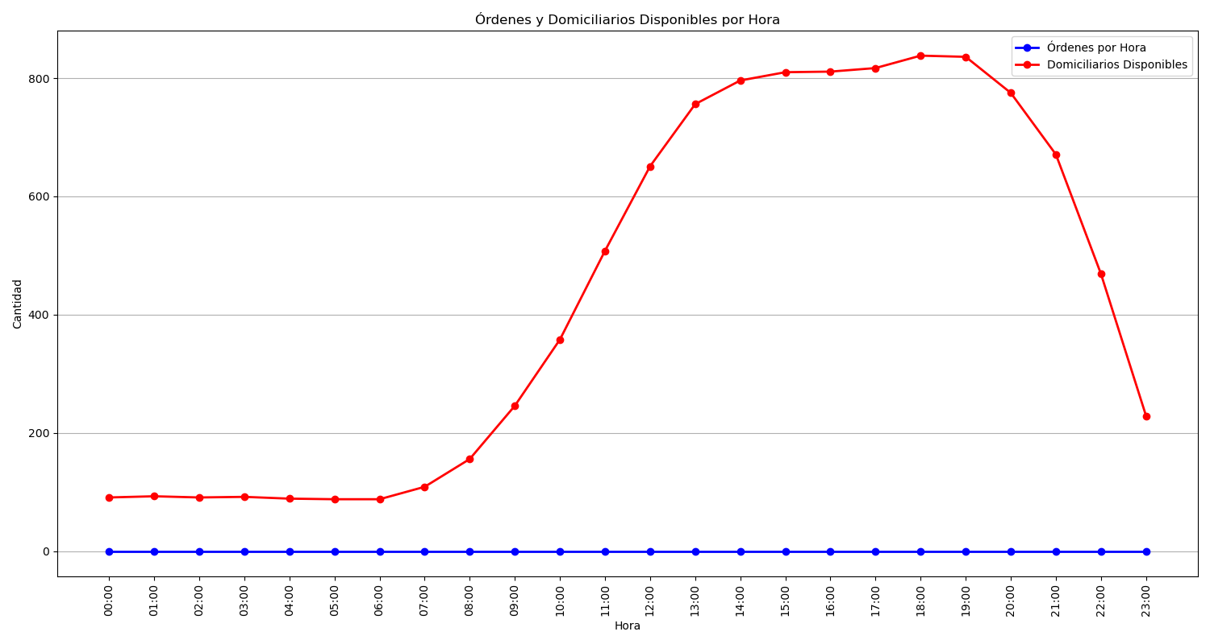
Categoría | Cantidad de Órdenes
Sin Rechazo | 1450
1 Rechazo | 397
2 Rechazos | 236
3 Rechazos | 160
Rechazadas Definitivamente | 568

