Rechazos
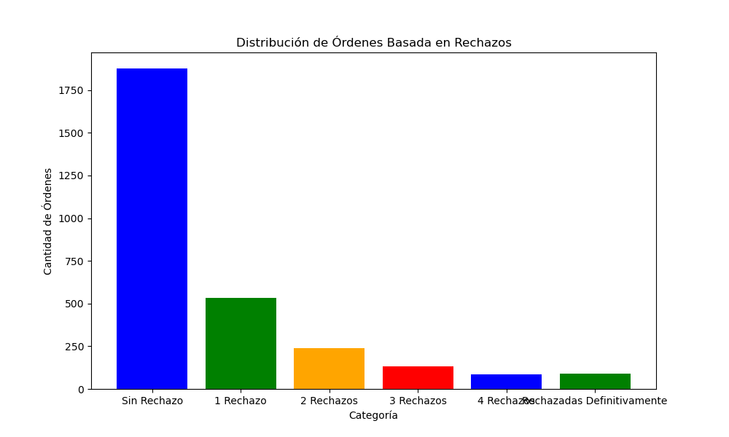
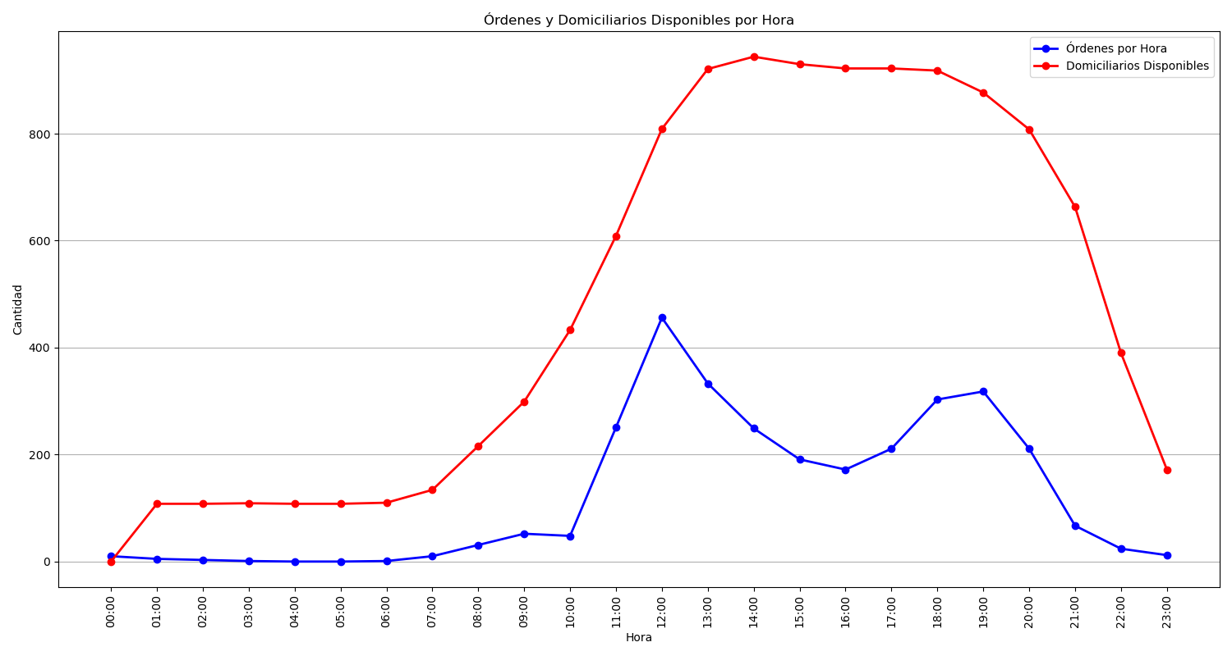
Categoría | Cantidad de Órdenes
Sin Rechazo | 1877
1 Rechazo | 534
2 Rechazos | 239
3 Rechazos | 133
4 Rechazos | 86
Rechazadas Definitivamente | 90

