Rechazos
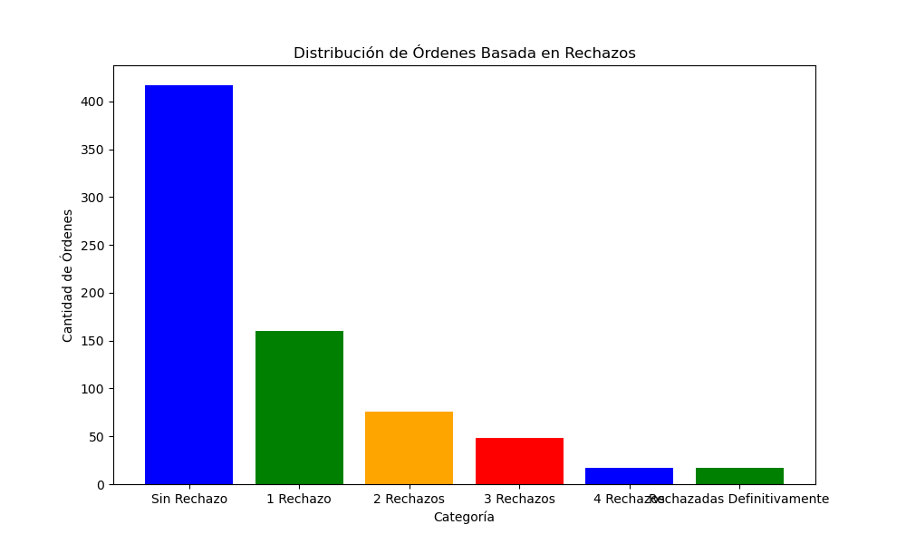
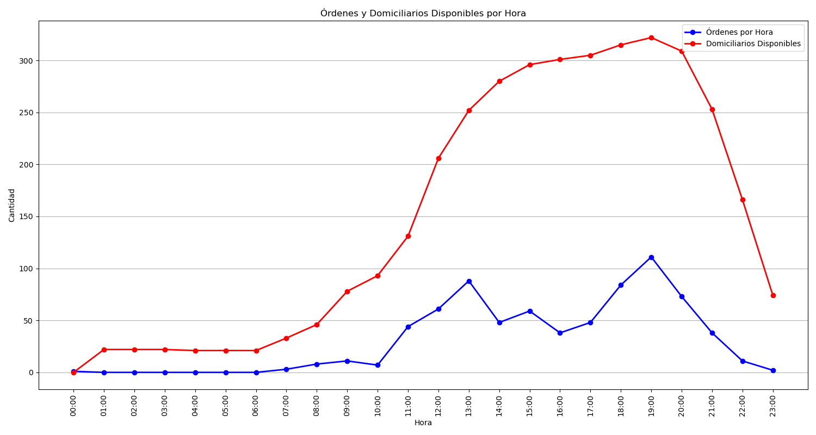
Categoría | Cantidad de Órdenes
Sin Rechazo | 417
1 Rechazo | 160
2 Rechazos | 76
3 Rechazos | 48
4 Rechazos | 17
Rechazadas Definitivamente | 17

