Rechazos
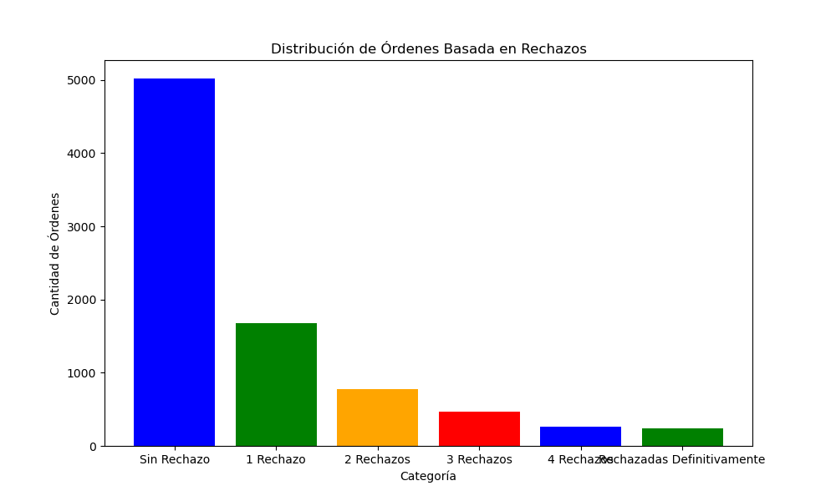
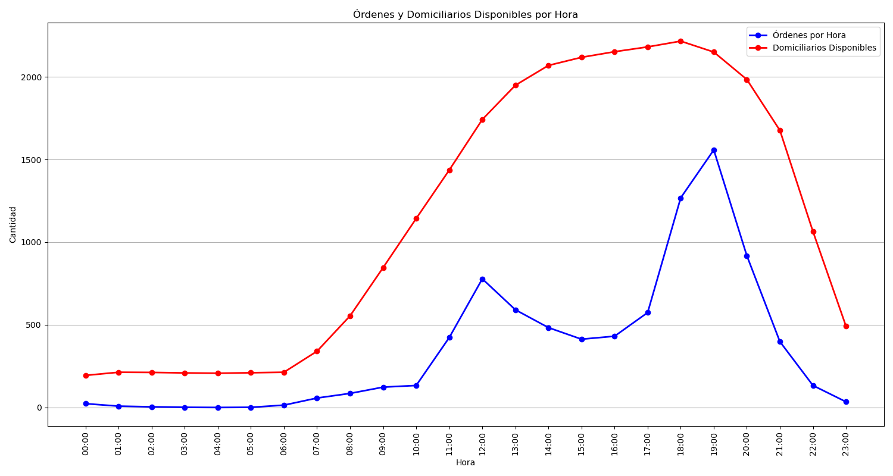
Categoría | Cantidad de Órdenes
Sin Rechazo | 5020
1 Rechazo | 1679
2 Rechazos | 774
3 Rechazos | 467
4 Rechazos | 266
Rechazadas Definitivamente | 245

