Rechazos
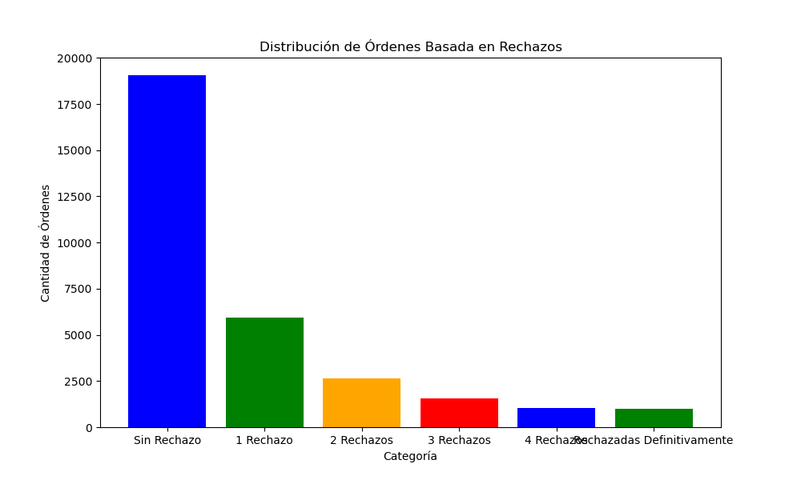
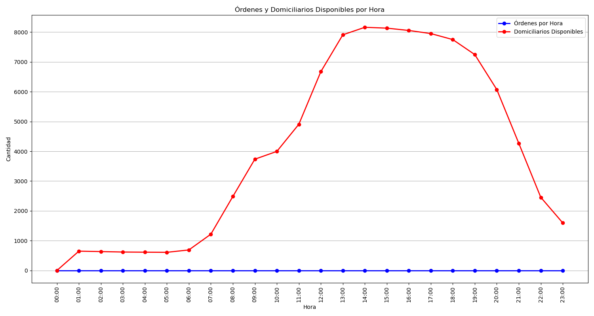
Categoría | Cantidad de Órdenes
Sin Rechazo | 19061
1 Rechazo | 5935
2 Rechazos | 2642
3 Rechazos | 1566
4 Rechazos | 1019
Rechazadas Definitivamente | 976

