Rechazos
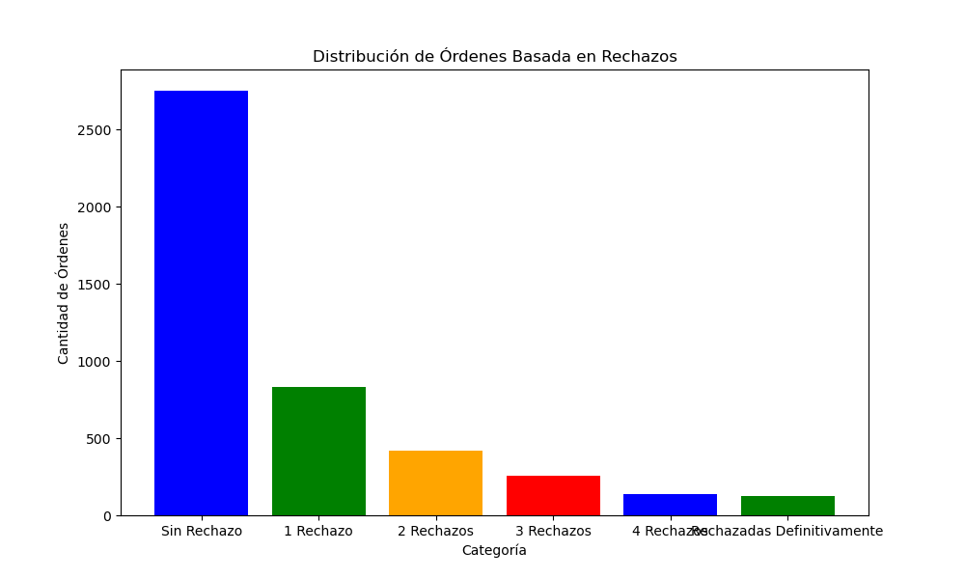
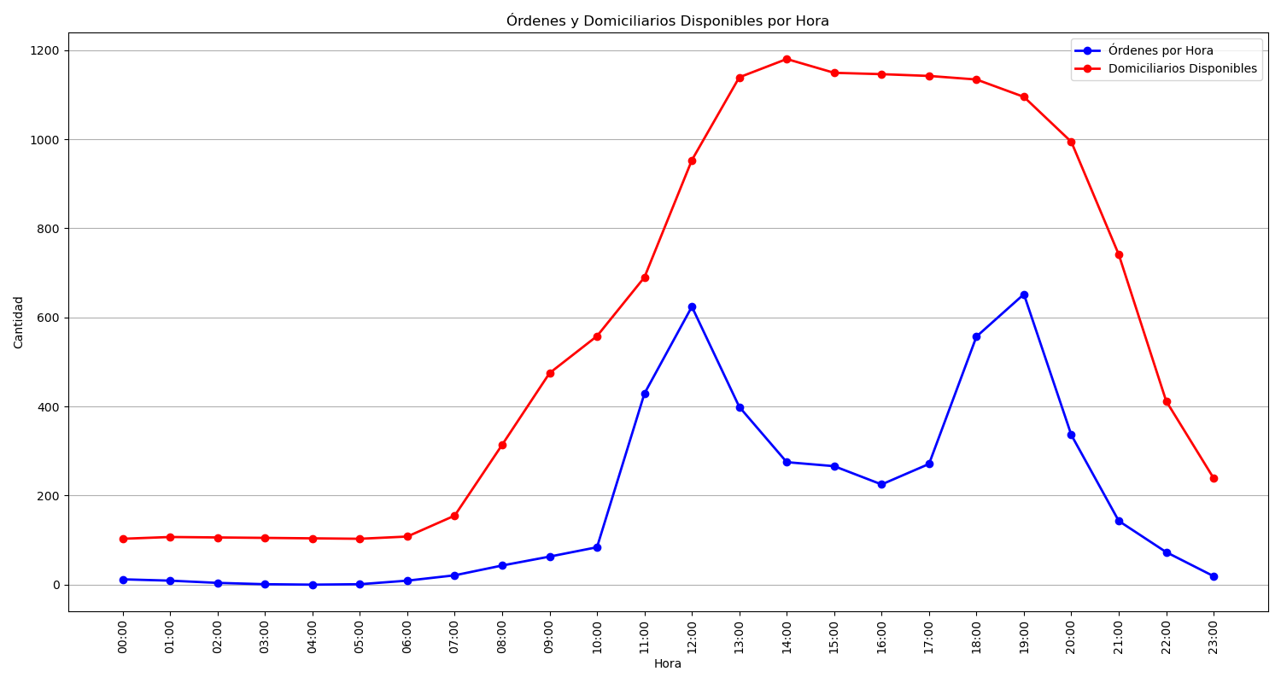
Categoría | Cantidad de Órdenes
Sin Rechazo | 2752
1 Rechazo | 831
2 Rechazos | 419
3 Rechazos | 254
4 Rechazos | 138
Rechazadas Definitivamente | 122

