Rechazos
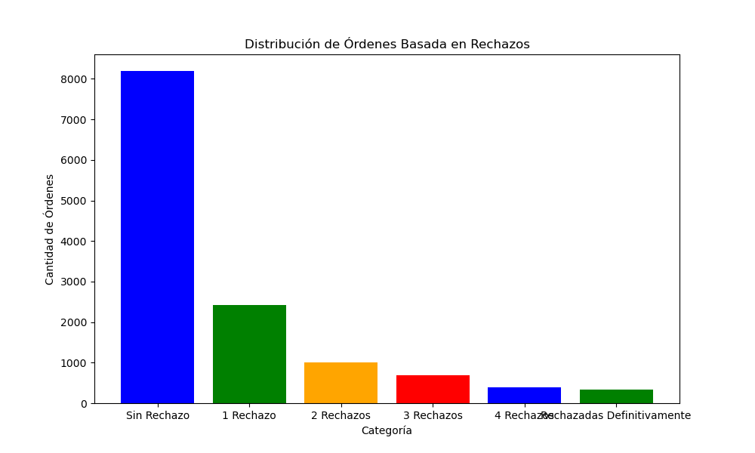
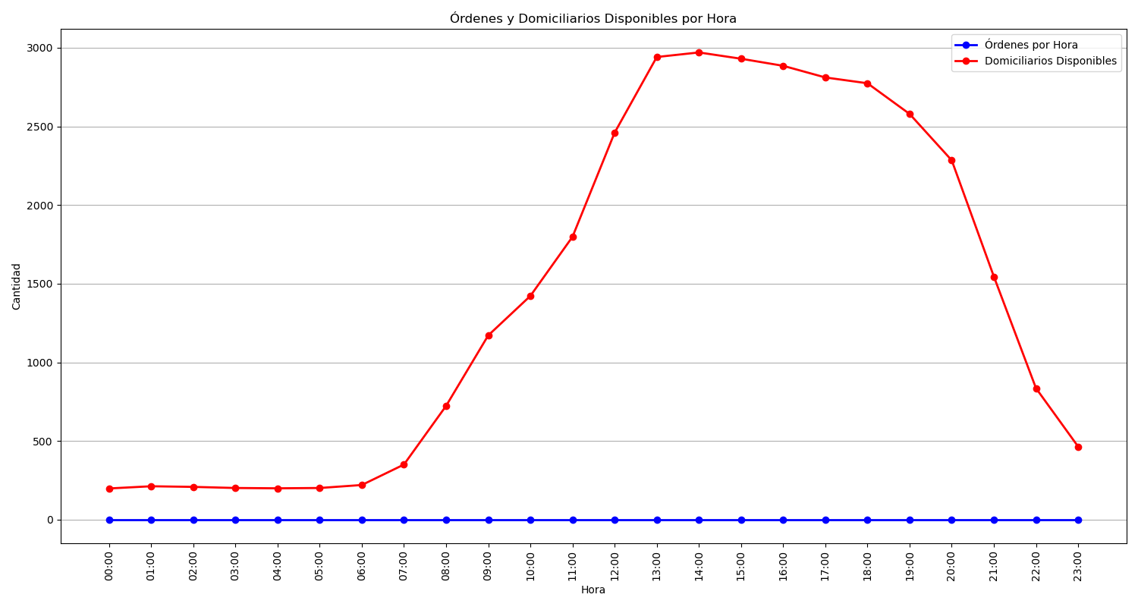
Categoría | Cantidad de Órdenes
Sin Rechazo | 8195
1 Rechazo | 2428
2 Rechazos | 998
3 Rechazos | 697
4 Rechazos | 390
Rechazadas Definitivamente | 343

