Rechazos
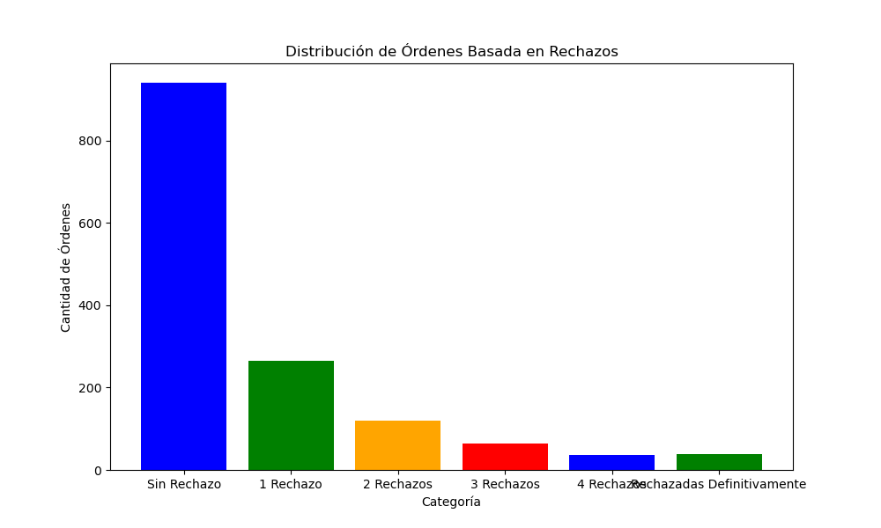
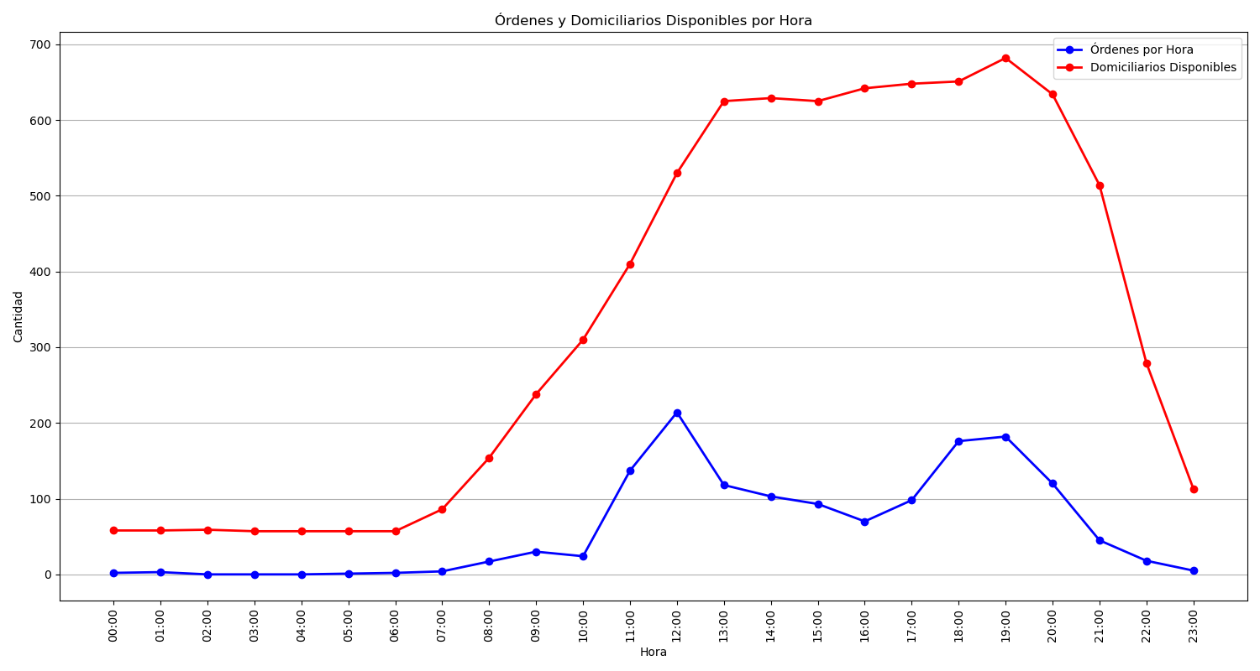
Categoría | Cantidad de Órdenes
Sin Rechazo | 940
1 Rechazo | 264
2 Rechazos | 119
3 Rechazos | 64
4 Rechazos | 36
Rechazadas Definitivamente | 39

