Rechazos
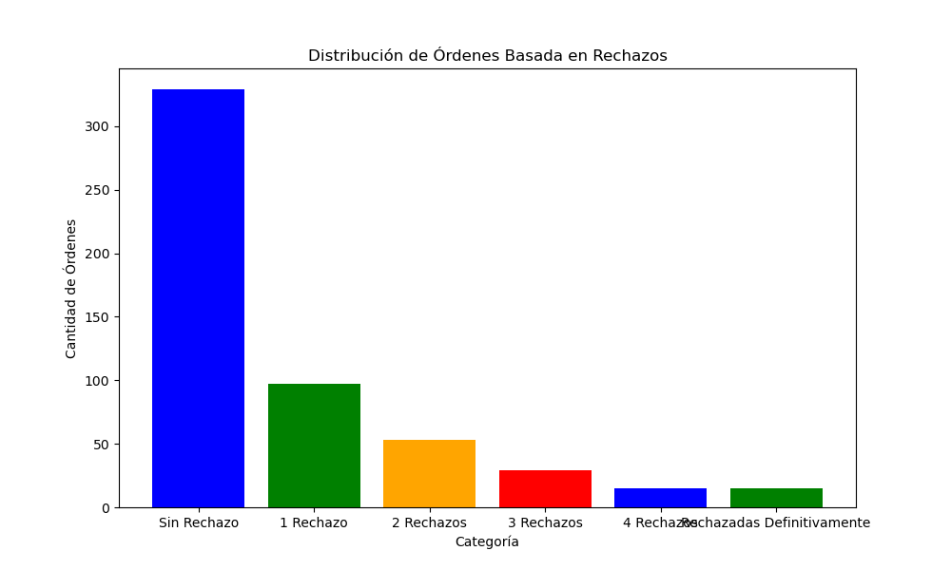
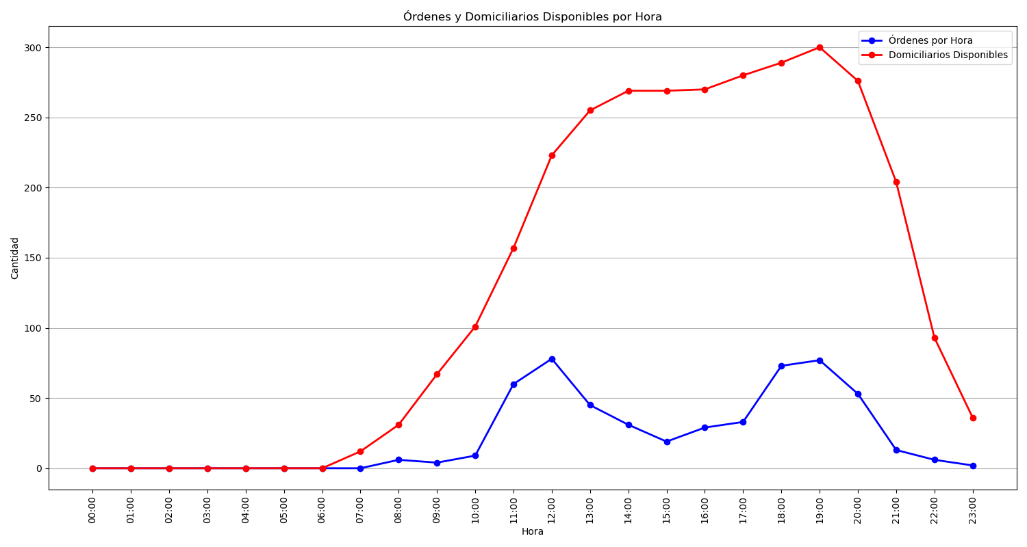
Categoría | Cantidad de Órdenes
Sin Rechazo | 329
1 Rechazo | 97
2 Rechazos | 53
3 Rechazos | 29
4 Rechazos | 15
Rechazadas Definitivamente | 15

