Rechazos
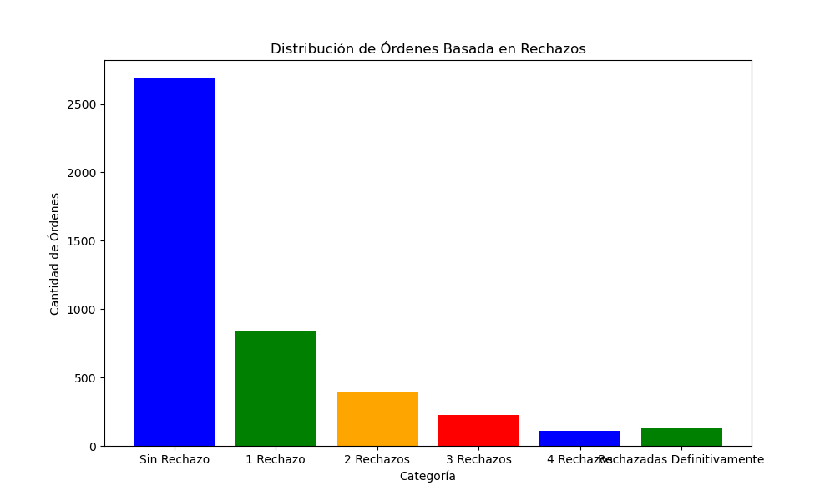
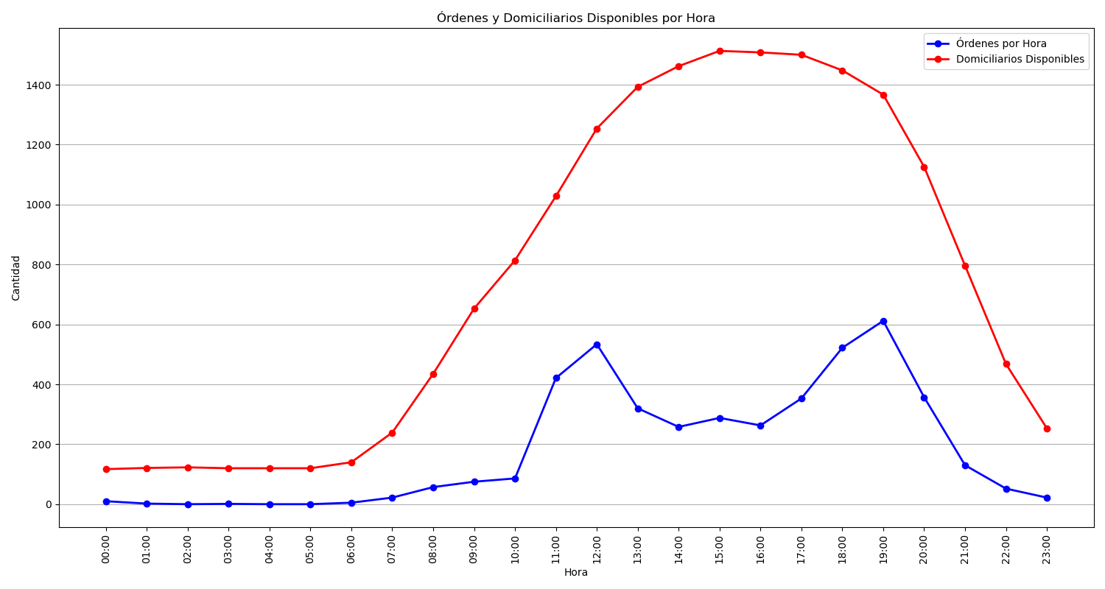
Categoría | Cantidad de Órdenes
Sin Rechazo | 2687
1 Rechazo | 841
2 Rechazos | 396
3 Rechazos | 224
4 Rechazos | 112
Rechazadas Definitivamente | 130

