Rechazos
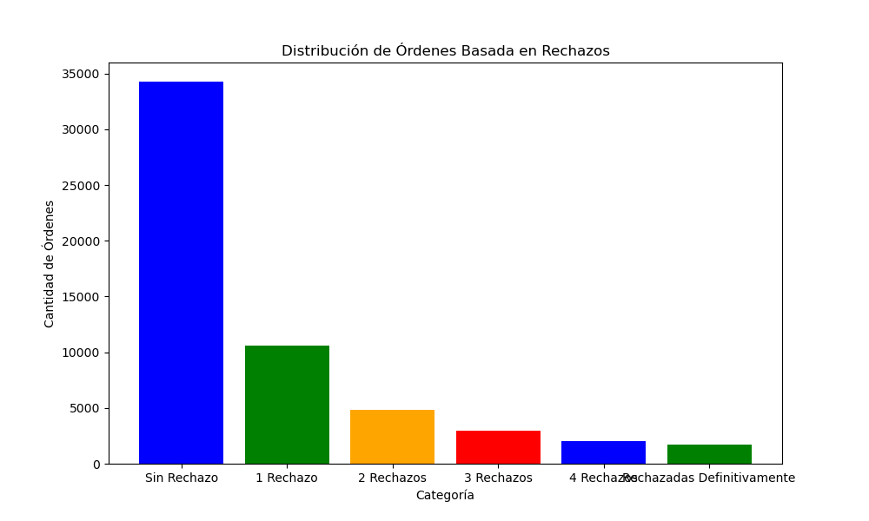
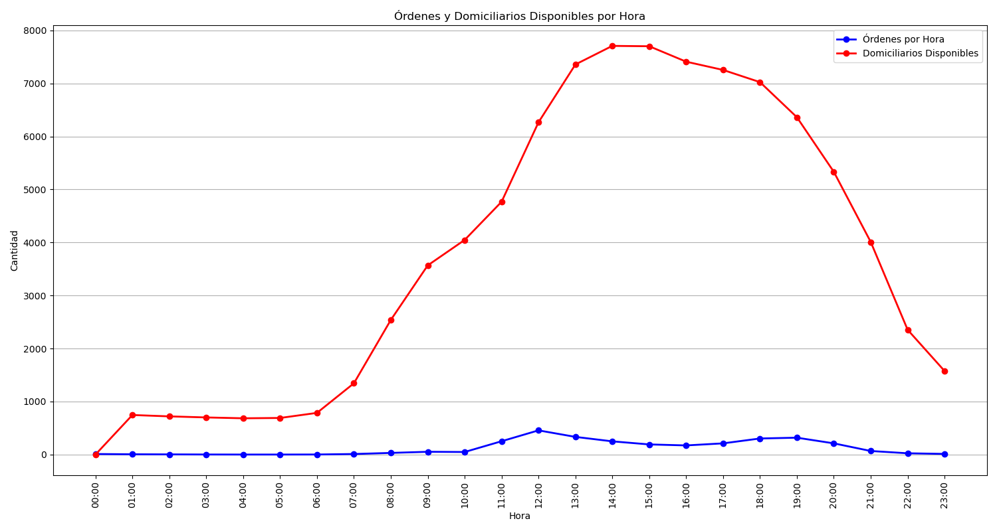
Categoría | Cantidad de Órdenes
Sin Rechazo | 18814
1 Rechazo | 5609
2 Rechazos | 2622
3 Rechazos | 1583
4 Rechazos | 960
Rechazadas Definitivamente | 860

