Rechazos
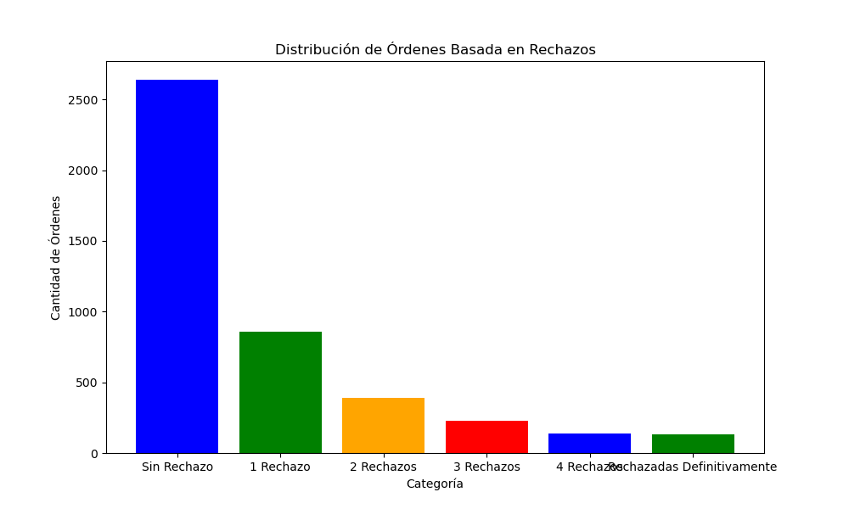
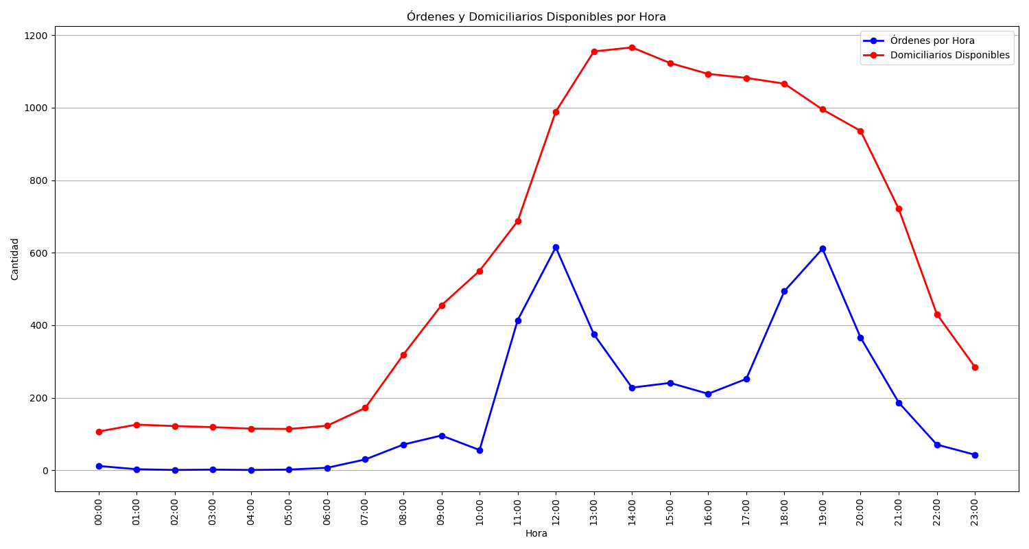
Categoría | Cantidad de Órdenes
Sin Rechazo | 2639
1 Rechazo | 860
2 Rechazos | 389
3 Rechazos | 230
4 Rechazos | 138
Rechazadas Definitivamente | 133

