Rechazos
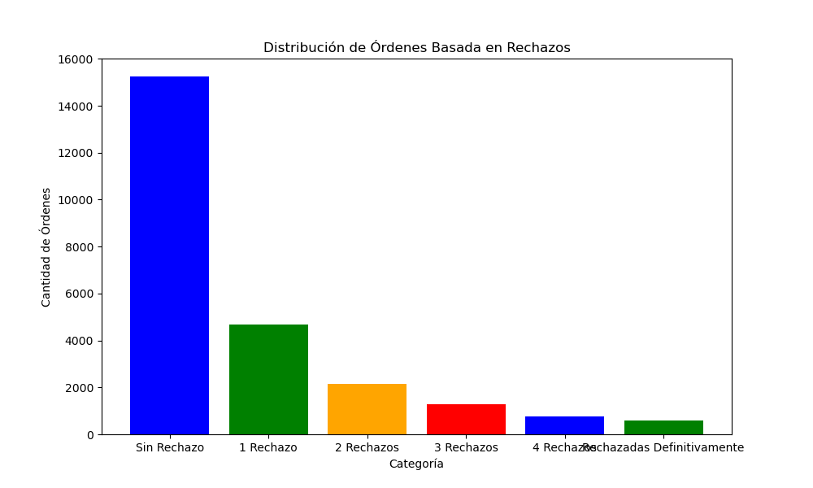
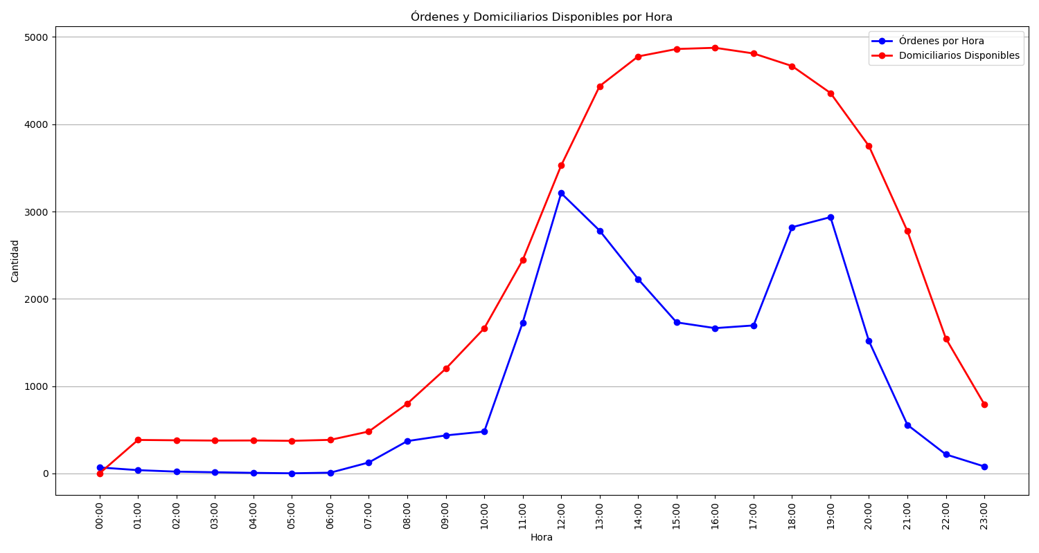
Categoría | Cantidad de Órdenes
Sin Rechazo | 15249
1 Rechazo | 4687
2 Rechazos | 2141
3 Rechazos | 1270
4 Rechazos | 767
Rechazadas Definitivamente | 606

