Rechazos
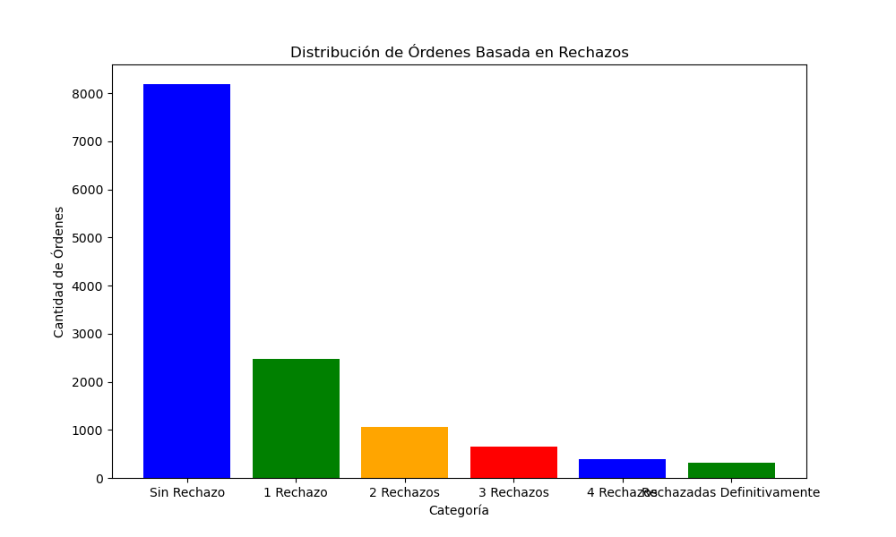
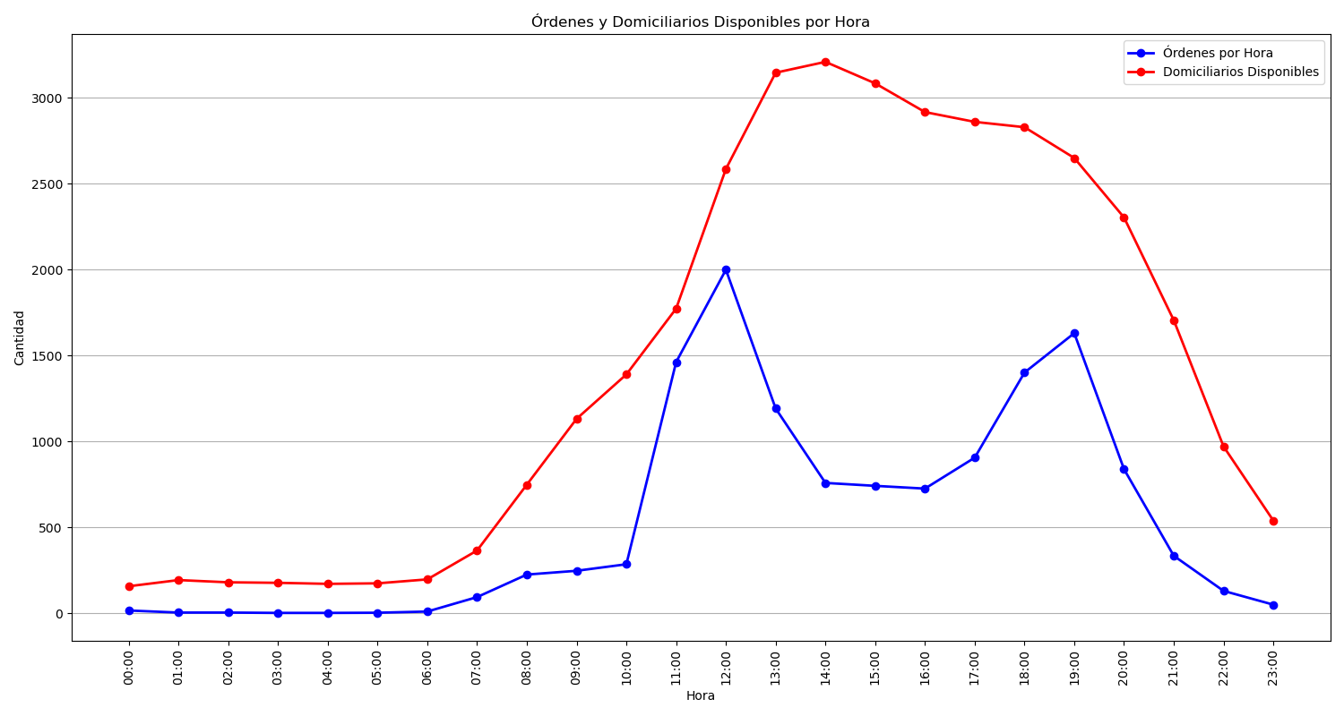
Categoría | Cantidad de Órdenes
Sin Rechazo | 8188
1 Rechazo | 2479
2 Rechazos | 1061
3 Rechazos | 655
4 Rechazos | 383
Rechazadas Definitivamente | 310

