Rechazos
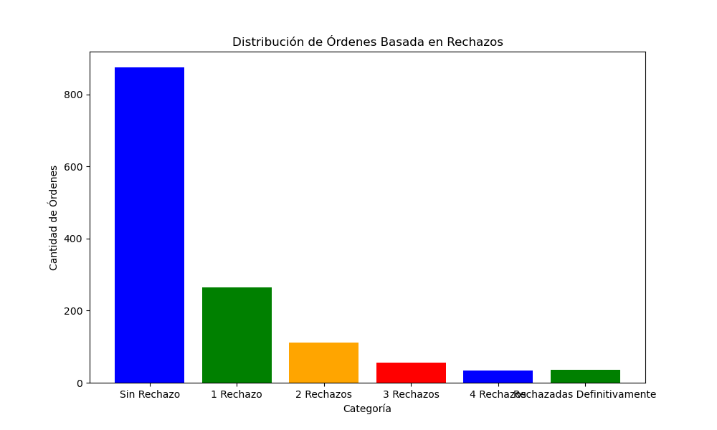
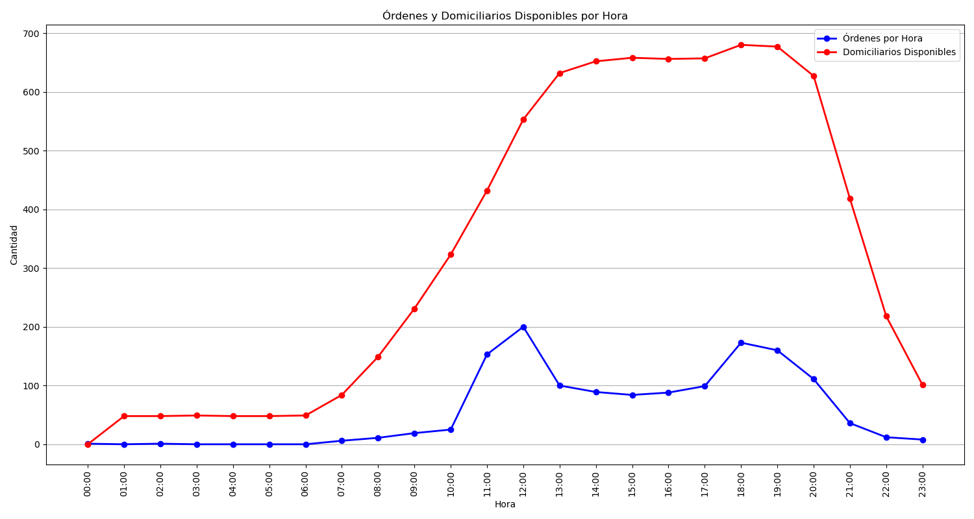
Categoría | Cantidad de Órdenes
Sin Rechazo | 875
1 Rechazo | 265
2 Rechazos | 111
3 Rechazos | 56
4 Rechazos | 34
Rechazadas Definitivamente | 35

