Rechazos
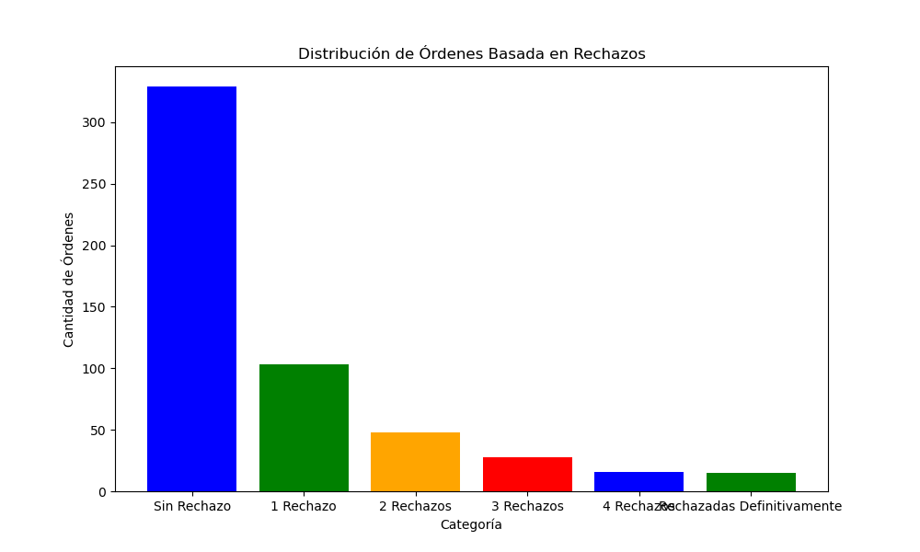
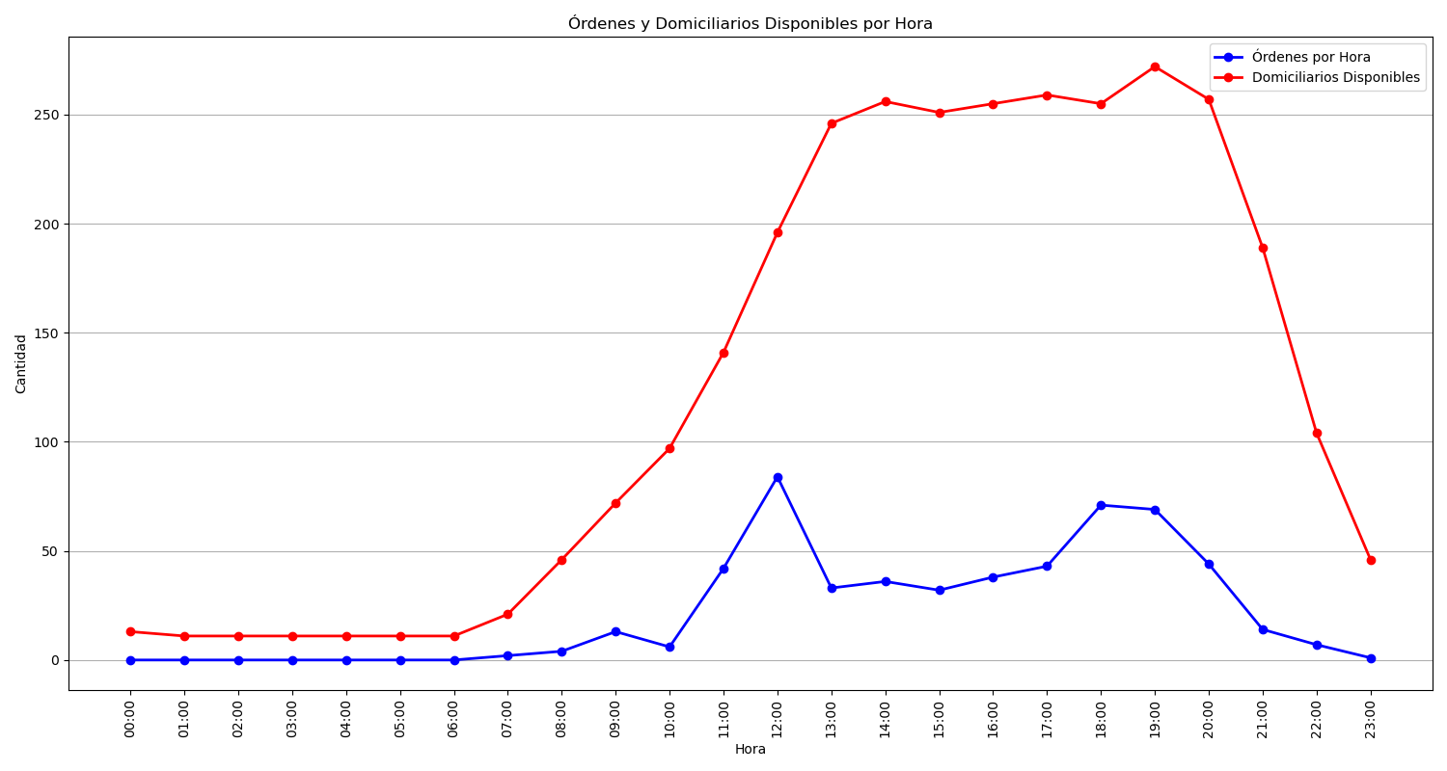
Categoría | Cantidad de Órdenes
Sin Rechazo | 329
1 Rechazo | 103
2 Rechazos | 48
3 Rechazos | 28
4 Rechazos | 16
Rechazadas Definitivamente | 15

