Rechazos
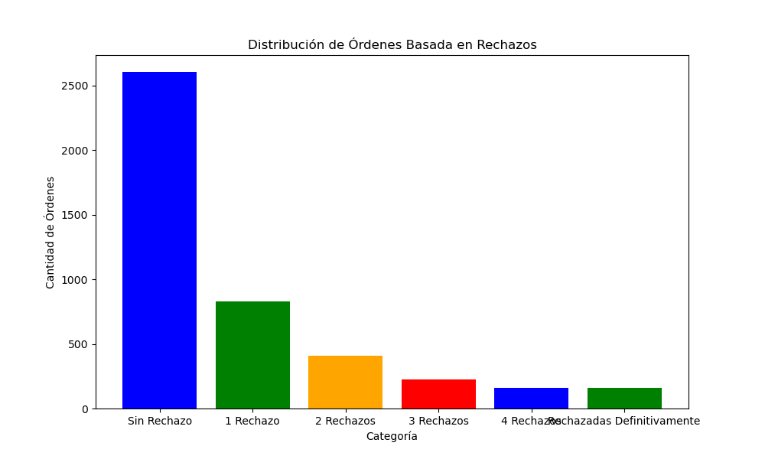
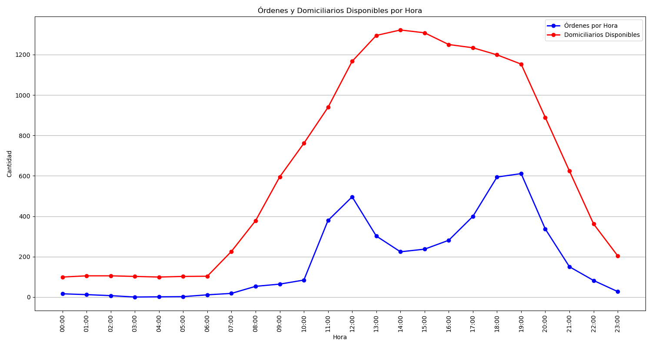
Categoría | Cantidad de Órdenes
Sin Rechazo | 2604
1 Rechazo | 827
2 Rechazos | 411
3 Rechazos | 226
4 Rechazos | 162
Rechazadas Definitivamente | 157

