Rechazos
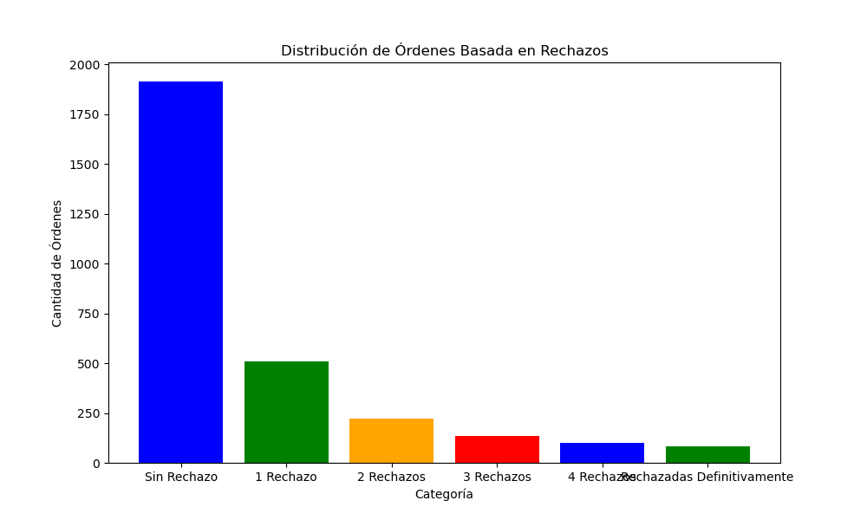
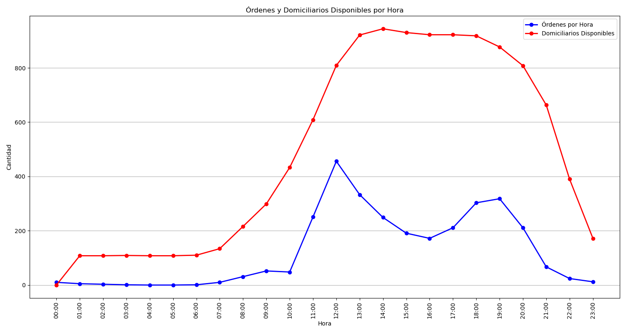
Categoría | Cantidad de Órdenes
Sin Rechazo | 1914
1 Rechazo | 507
2 Rechazos | 222
3 Rechazos | 134
4 Rechazos | 101
Rechazadas Definitivamente | 81

