Rechazos
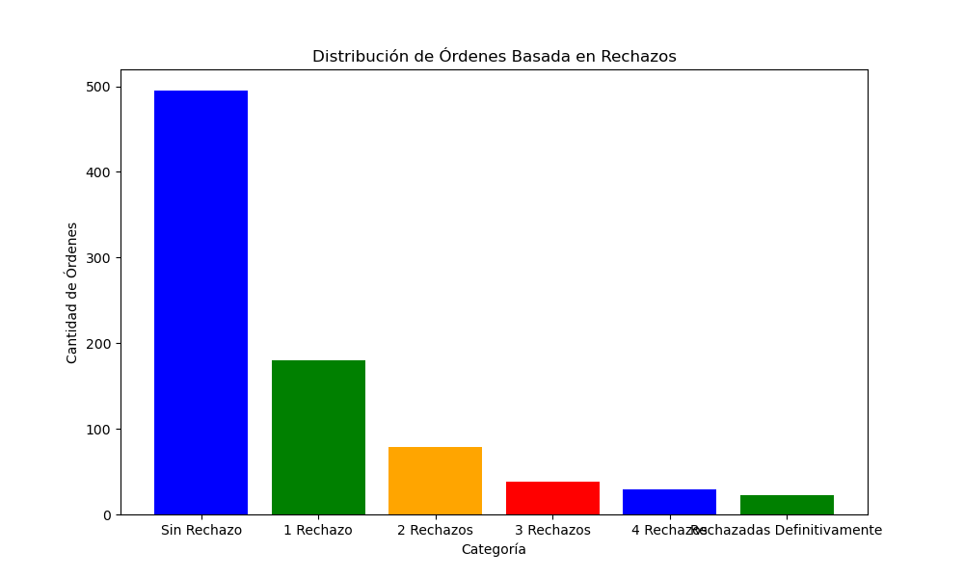
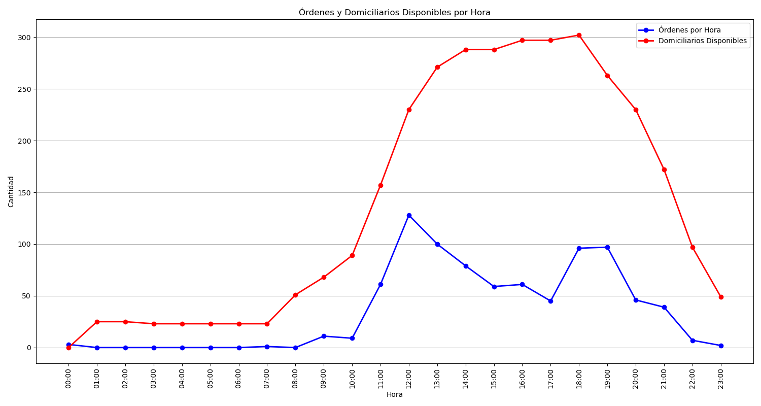
Categoría | Cantidad de Órdenes
Sin Rechazo | 495
1 Rechazo | 180
2 Rechazos | 79
3 Rechazos | 38
4 Rechazos | 29
Rechazadas Definitivamente | 23

