Rechazos
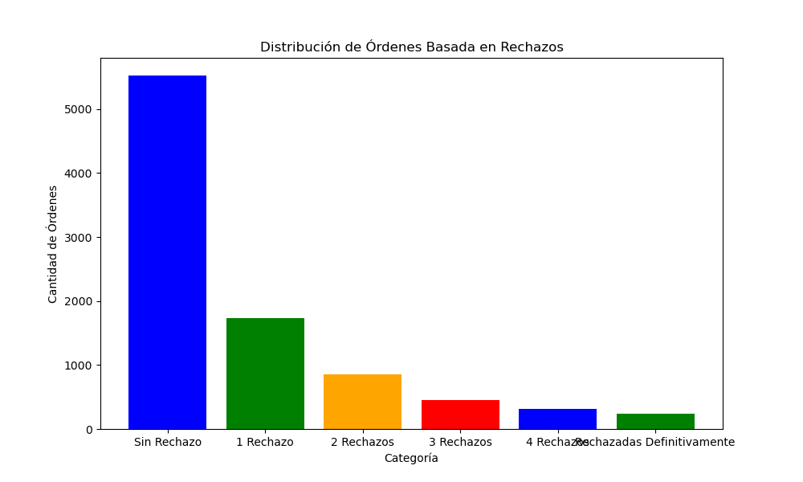
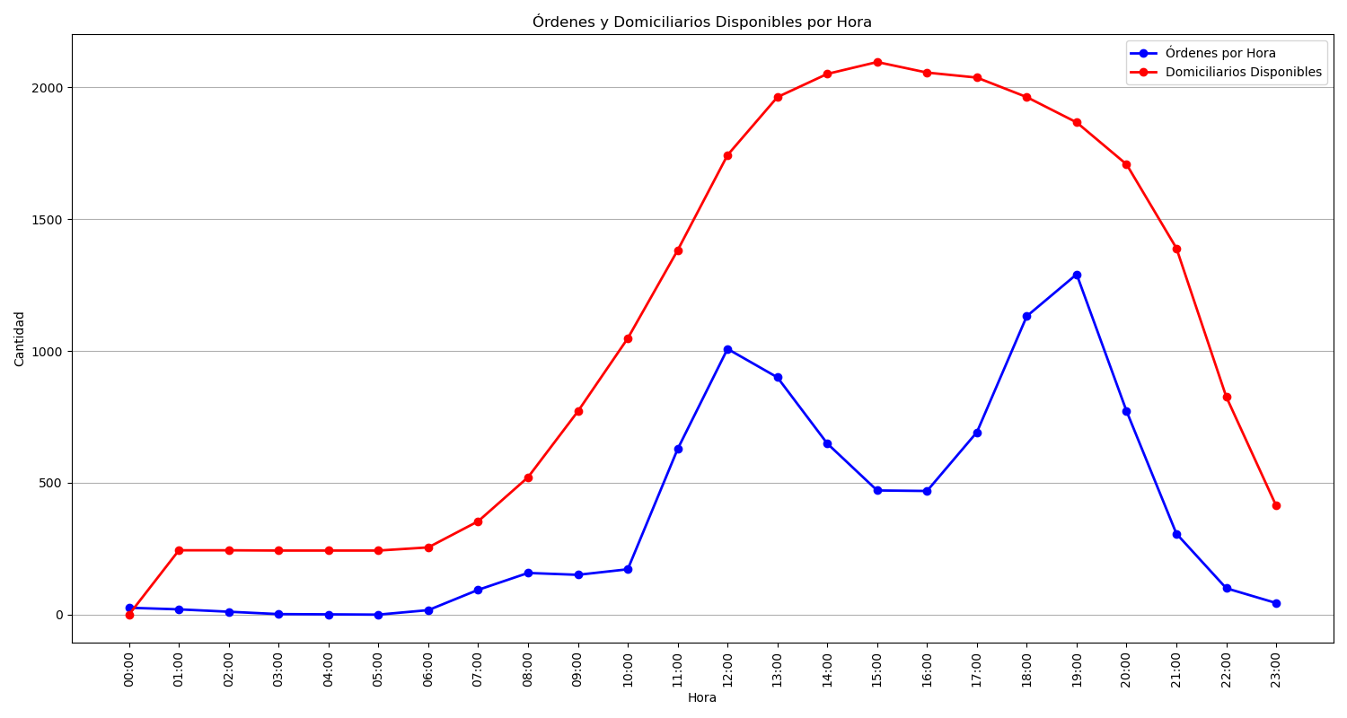
Categoría | Cantidad de Órdenes
Sin Rechazo | 5525
1 Rechazo | 1733
2 Rechazos | 851
3 Rechazos | 451
4 Rechazos | 319
Rechazadas Definitivamente | 236

