Rechazos
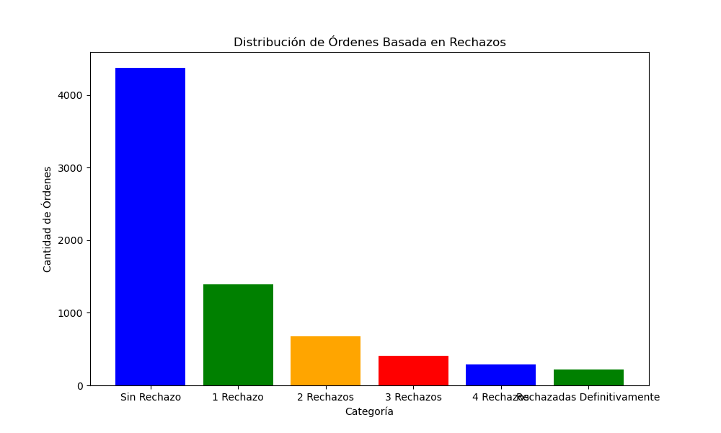
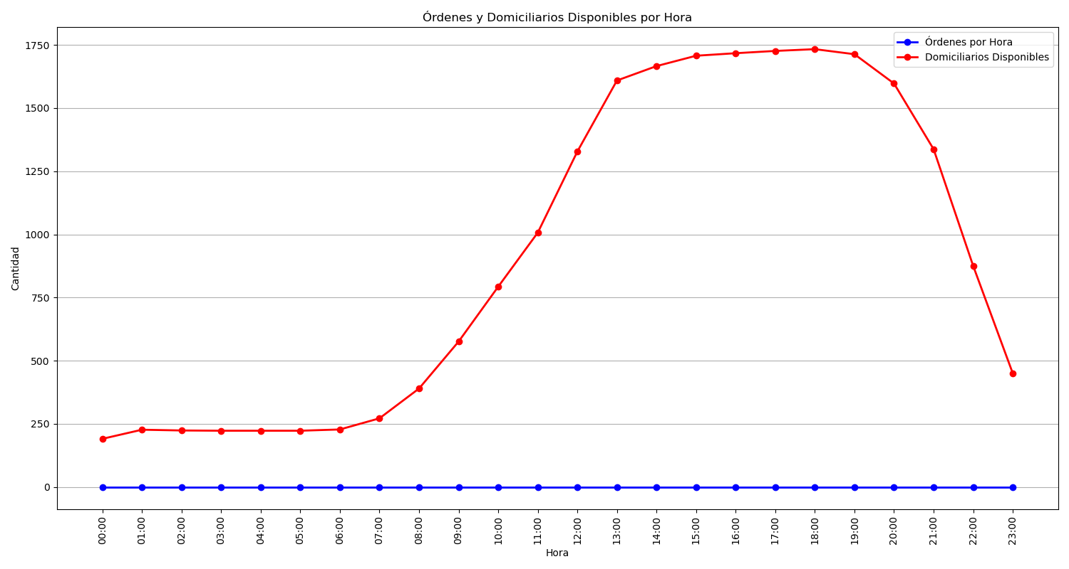
Categoría | Cantidad de Órdenes
Sin Rechazo | 4373
1 Rechazo | 1390
2 Rechazos | 679
3 Rechazos | 404
4 Rechazos | 288
Rechazadas Definitivamente | 223

