Rechazos
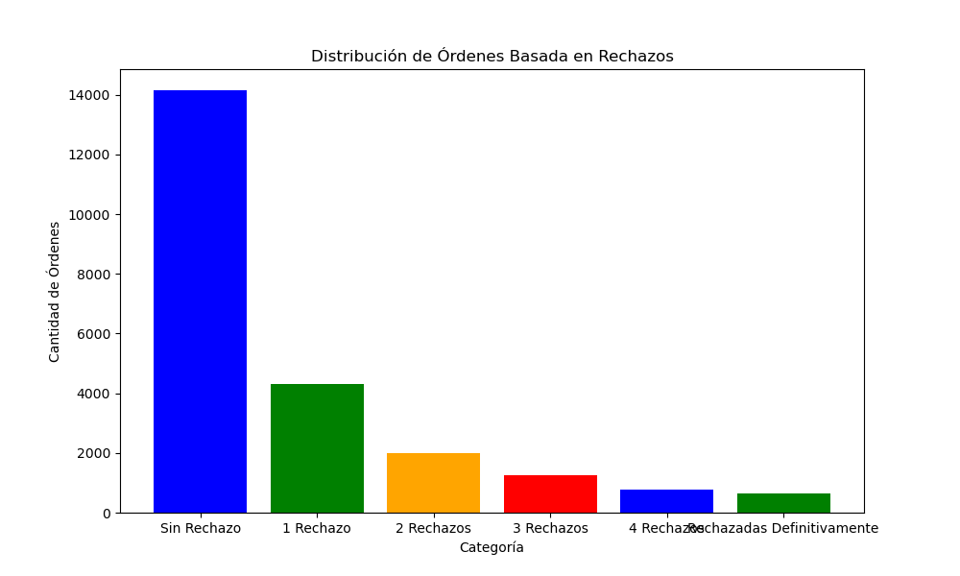
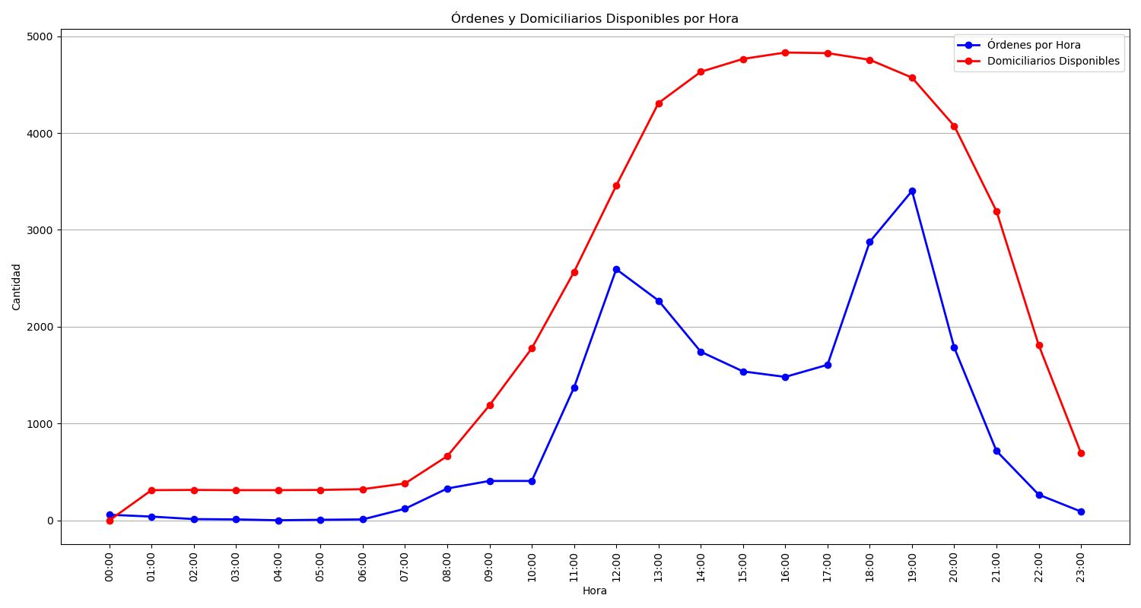
Categoría | Cantidad de Órdenes
Sin Rechazo | 14153
1 Rechazo | 4311
2 Rechazos | 2006
3 Rechazos | 1266
4 Rechazos | 764
Rechazadas Definitivamente | 655

