Rechazos
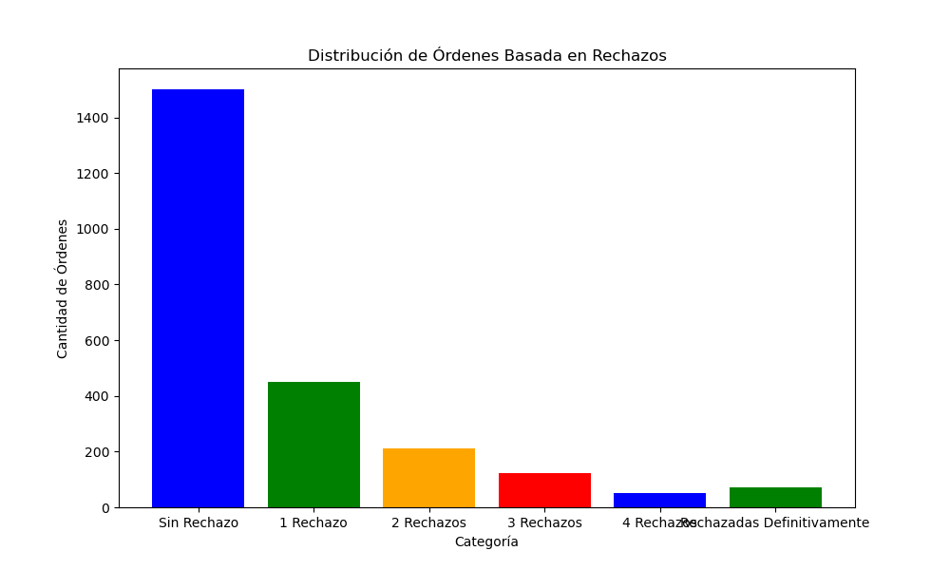
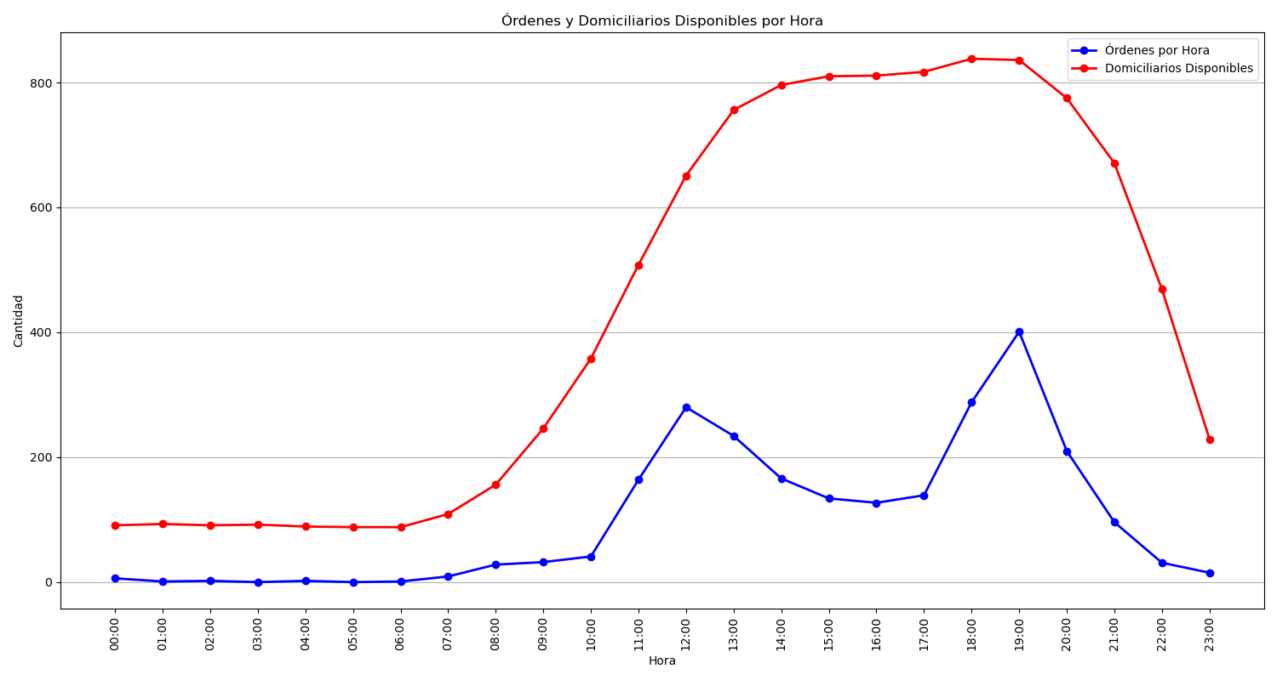
Categoría | Cantidad de Órdenes
Sin Rechazo | 1501
1 Rechazo | 450
2 Rechazos | 212
3 Rechazos | 123
4 Rechazos | 50
Rechazadas Definitivamente | 71

