Rechazos
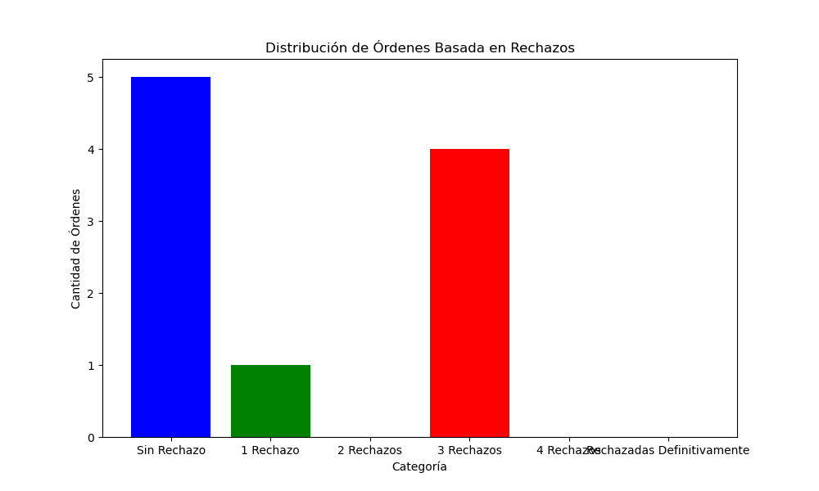
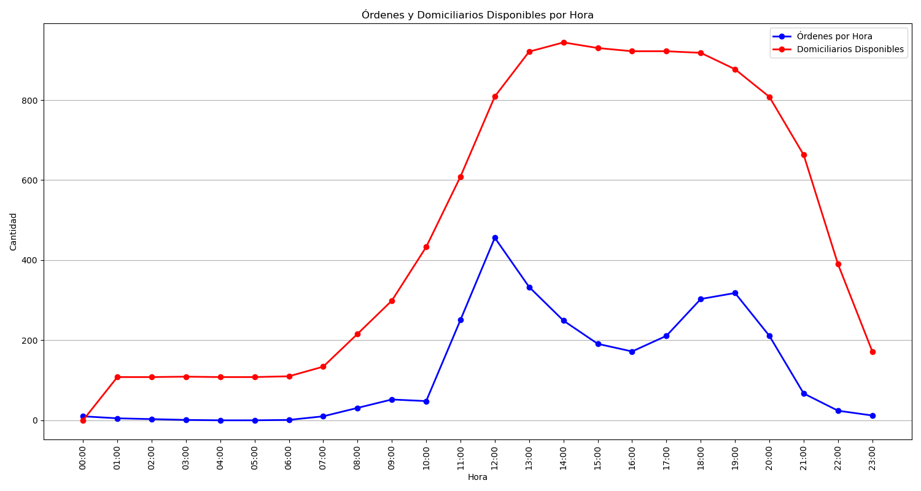
Categoría | Cantidad de Órdenes
Sin Rechazo | 5
1 Rechazo | 1
2 Rechazos | 0
3 Rechazos | 4
4 Rechazos | 0
Rechazadas Definitivamente | 0

