Rechazos
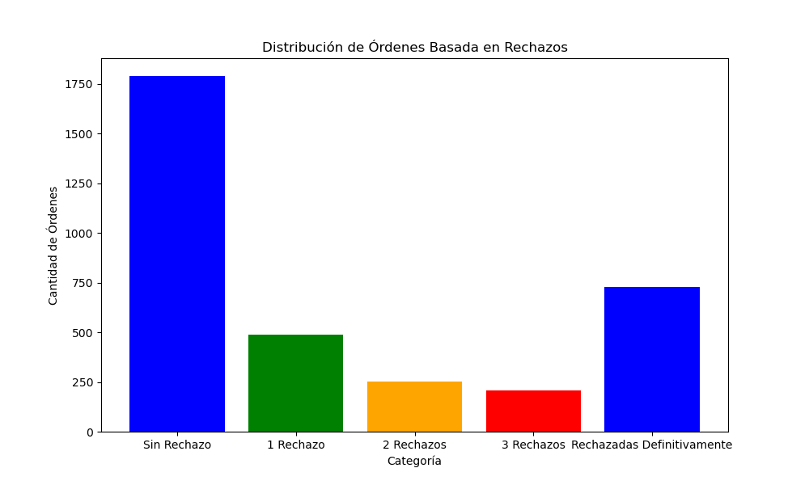
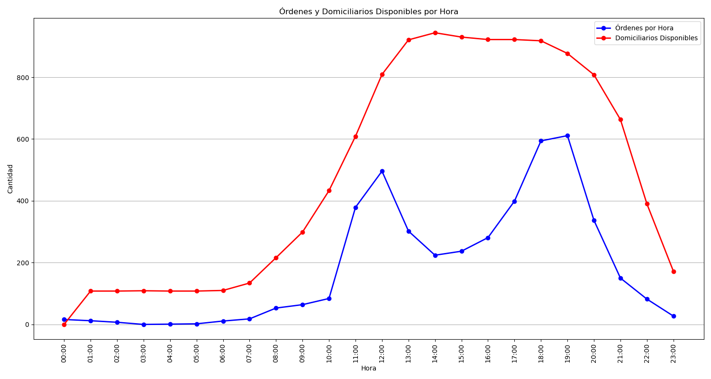
Categoría | Cantidad de Órdenes
Sin Rechazo | 1790
1 Rechazo | 489
2 Rechazos | 253
3 Rechazos | 207
Rechazadas Definitivamente | 730

