Rechazos
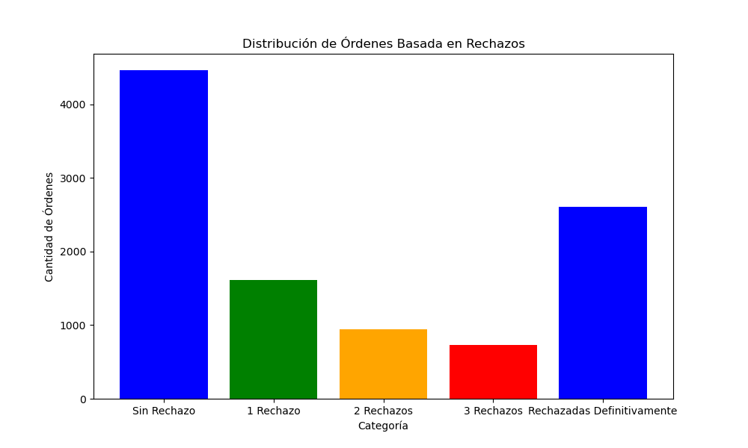
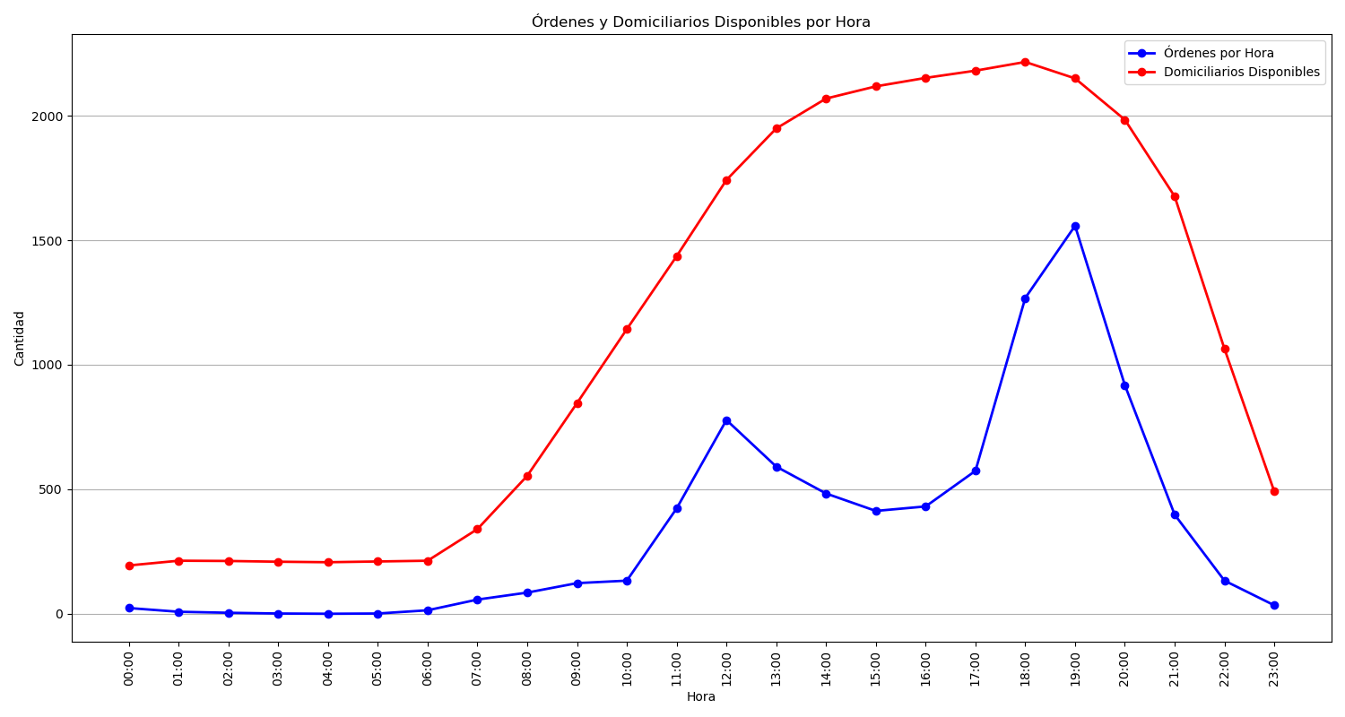
Categoría | Cantidad de Órdenes
Sin Rechazo | 4464
1 Rechazo | 1618
2 Rechazos | 947
3 Rechazos | 731
Rechazadas Definitivamente | 2604

