Rechazos
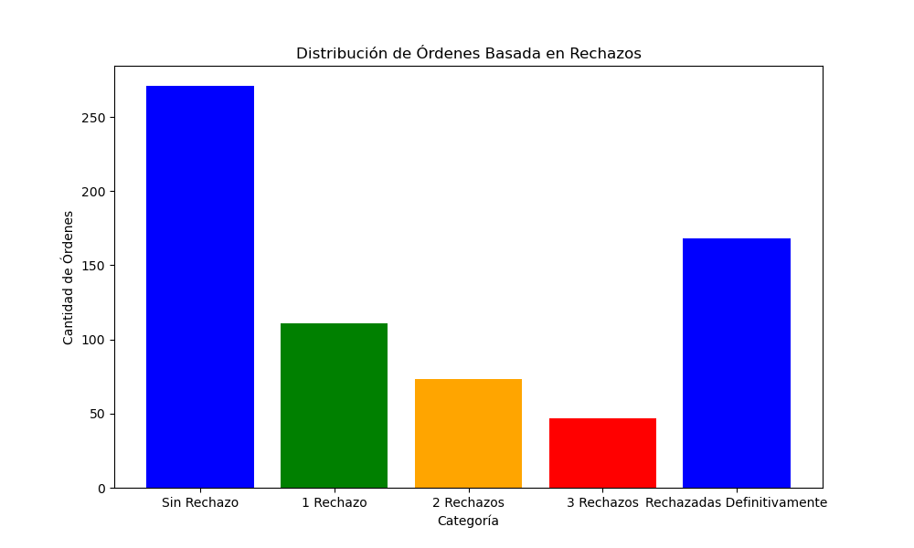
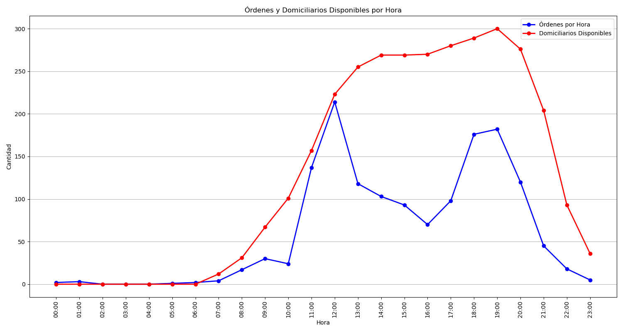
Categoría | Cantidad de Órdenes
Sin Rechazo | 271
1 Rechazo | 111
2 Rechazos | 73
3 Rechazos | 47
Rechazadas Definitivamente | 168

