Rechazos
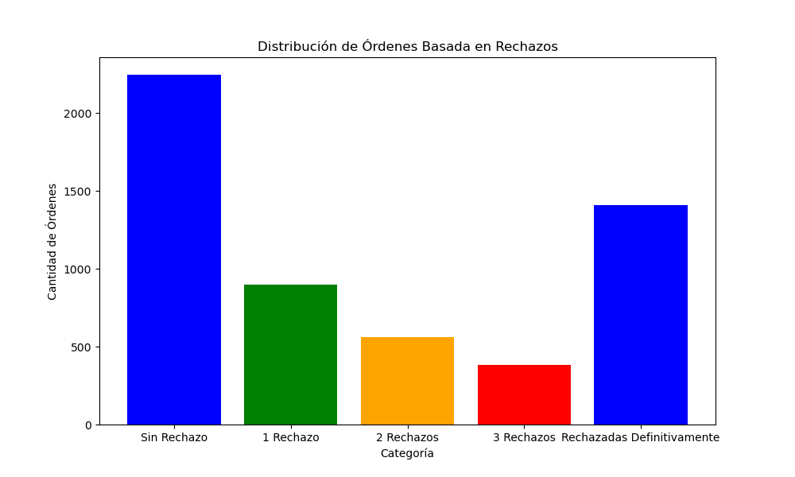
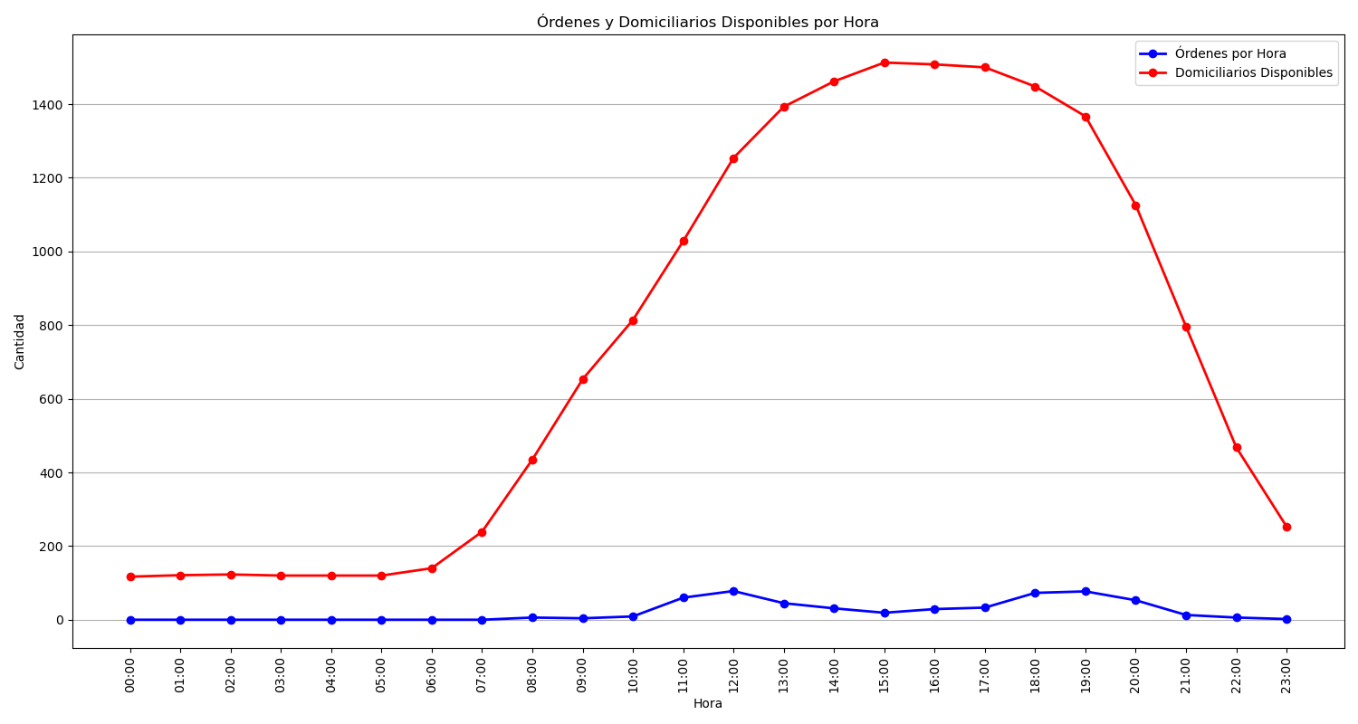
Categoría | Cantidad de Órdenes
Sin Rechazo | 2246
1 Rechazo | 899
2 Rechazos | 563
3 Rechazos | 381
Rechazadas Definitivamente | 1408

