Rechazos
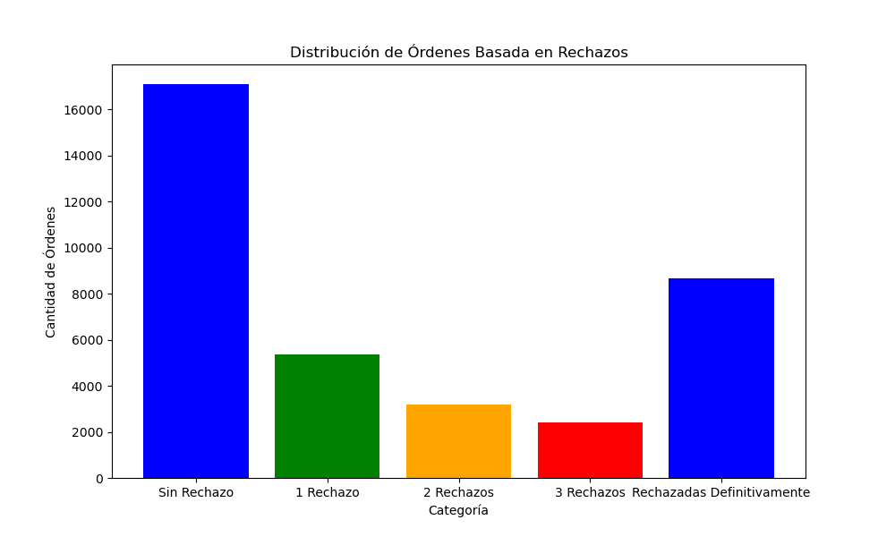
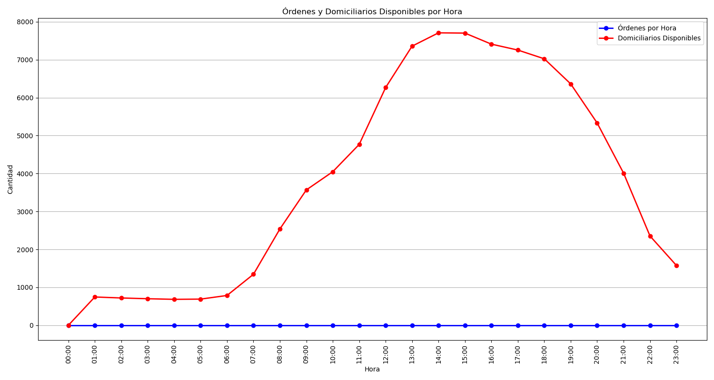
Categoría | Cantidad de Órdenes
Sin Rechazo | 17100
1 Rechazo | 5376
2 Rechazos | 3190
3 Rechazos | 2413
Rechazadas Definitivamente | 8653

