Rechazos
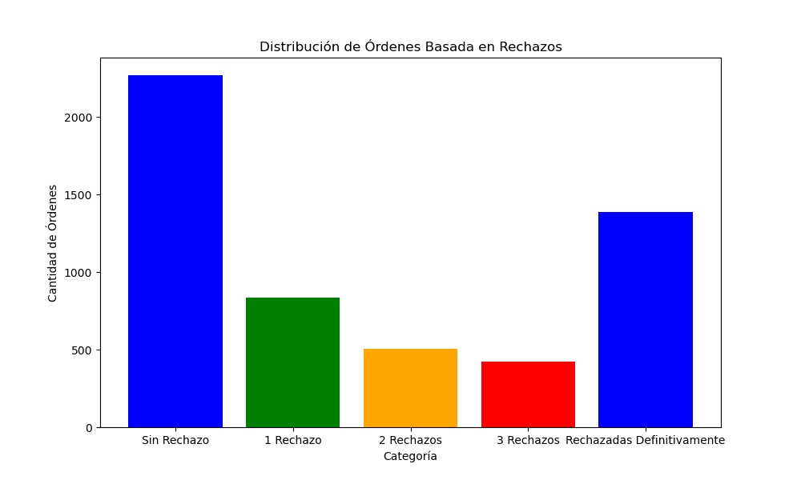
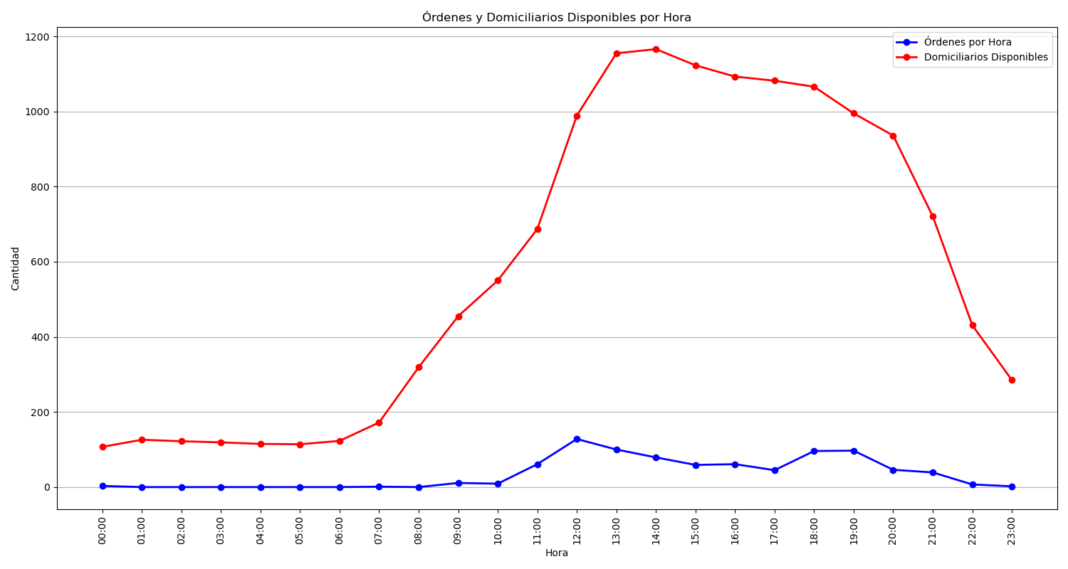
Categoría | Cantidad de Órdenes
Sin Rechazo | 2269
1 Rechazo | 836
2 Rechazos | 504
3 Rechazos | 421
Rechazadas Definitivamente | 1388

