Rechazos
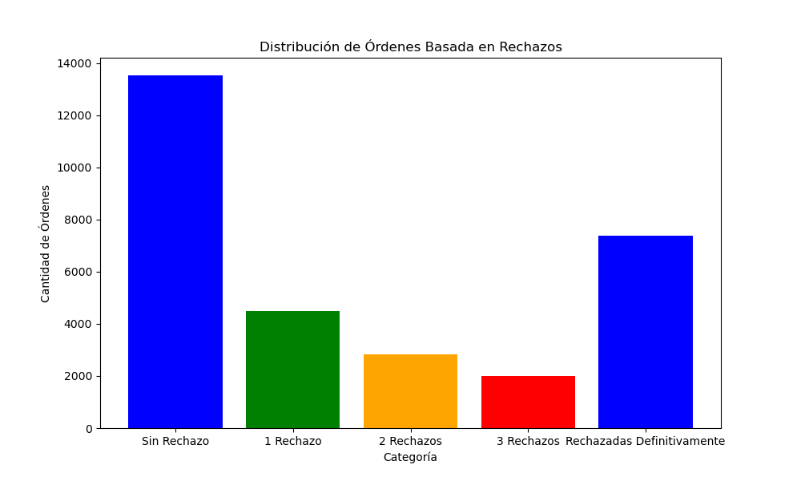
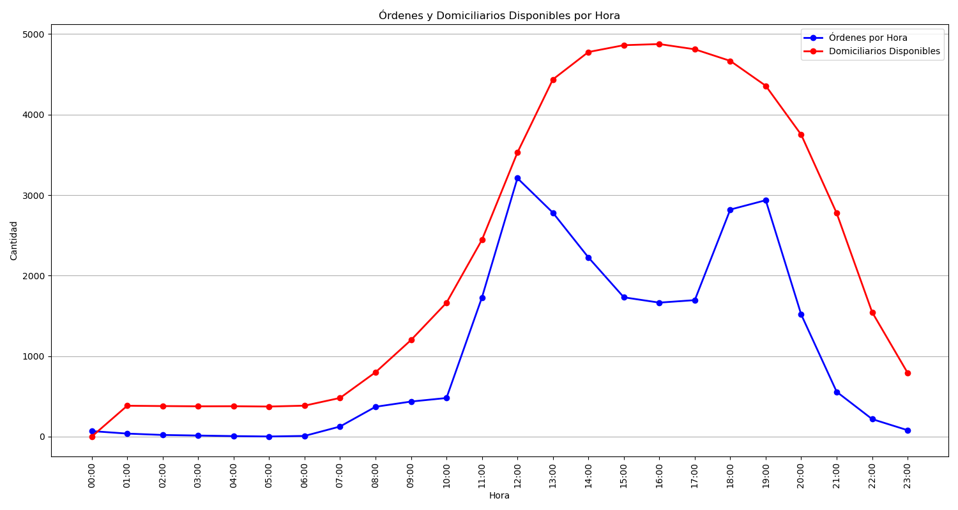
Categoría | Cantidad de Órdenes
Sin Rechazo | 13535
1 Rechazo | 4484
2 Rechazos | 2818
3 Rechazos | 2006
Rechazadas Definitivamente | 7383

