Rechazos
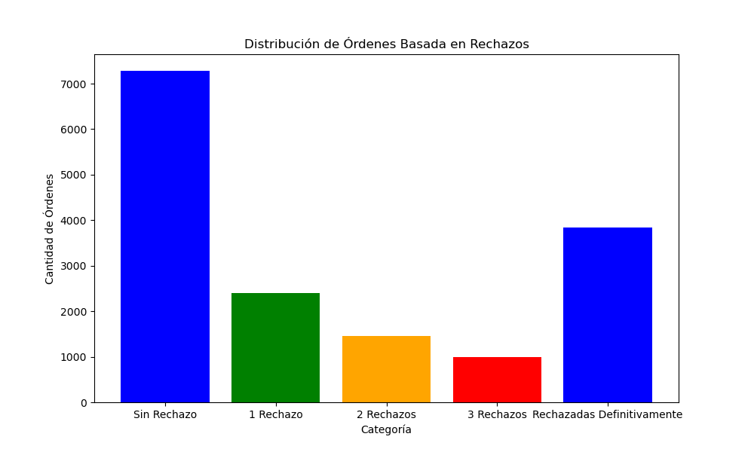
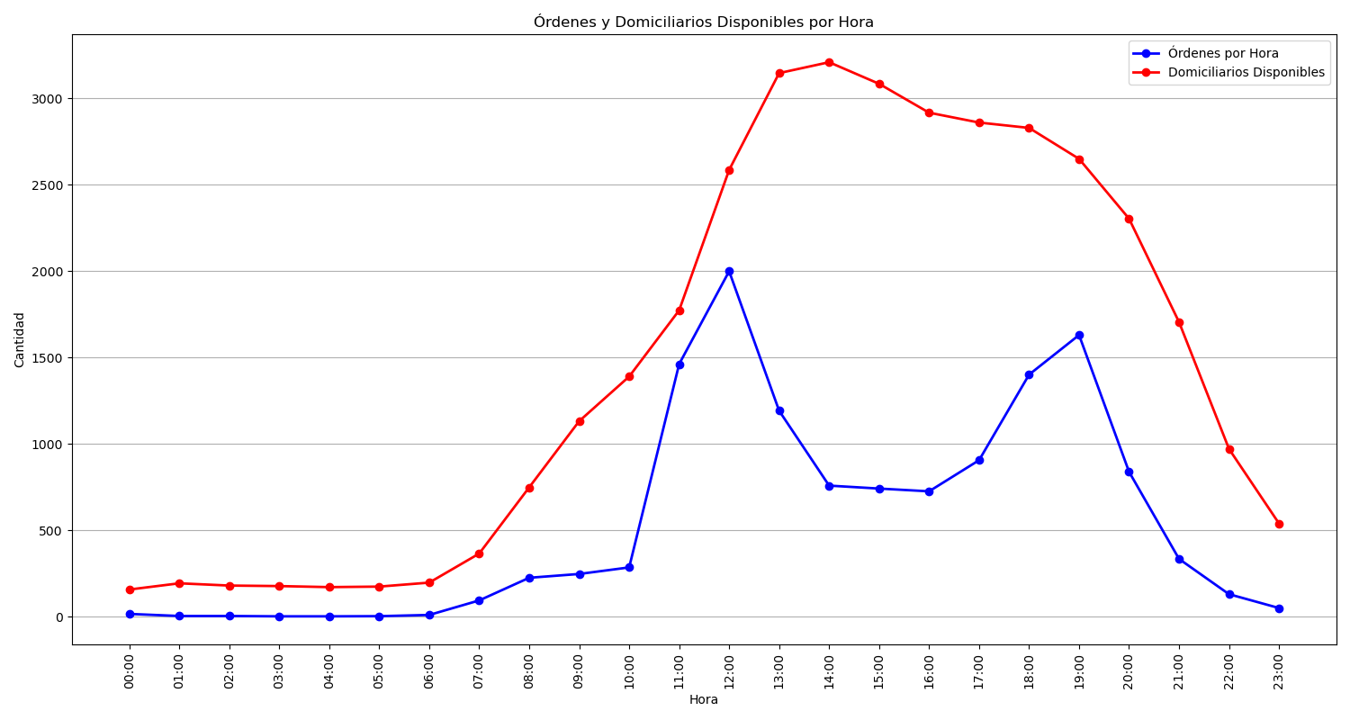
Categoría | Cantidad de Órdenes
Sin Rechazo | 7282
1 Rechazo | 2396
2 Rechazos | 1451
3 Rechazos | 996
Rechazadas Definitivamente | 3833

